Confined Space Location List
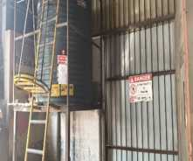
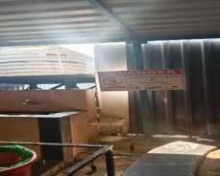
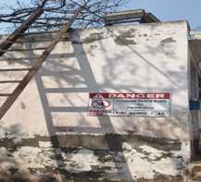
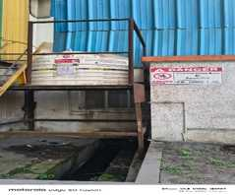
Section | Sr.No. | Identification No. | Description | Area | Location | Outdoor / Indoor | They are large enough to allow full-body entry | They have a restricted means of entry and exit | They are not designed for continuous human occupancy | The atmosphere is hazardous, either because of its normal contents or because of the nature of the work to be done. | The actual or potential contents could engulf a person. | The walls are inwardly converging such that an entrant could be trapped or asphyxiated by the internal configuration. | Any other known or readily identifiable safety or health hazard is present | CONFINED SPACE YES/NO | GHA/NGH | Zone wise | Ignition Source |  |  |  |  |  |  |  |  |  |  |  |  |  |  |  |  |  |  |  | SOP | HIRAC | Photo
 |  |  |  |  |  |  |  |  |  |  |  |  |  |  |  |  | Flames | Direct fired space and process heating | Use of cigarettes/matches etc | Cutting and welding flames | Hot surfaces | Heated process vessels such as dryers and furnaces | Hot process vessels | Space heating equipment | Mechanical machinery | Electrical equipment and lights | Spontaneous heating | Friction heating or sparks | Impact sparks | Sparks from electrical equipment | Stray currents from electrical equipment | Electrostatic discharge sparks | Lightning strikes | Electromagnetic radiation of different wavelengths | Vehicles, unless specially designed or modified are likely to contain a range of potential ignition sources | Available Sources
CRM | 1 | Mill-3/CNF/2 | Mill-3 Coolant Tank | CRM | Mill-3 cellar | Indoor | YES | YES | YES | YES | NO | NO | NO | YES | NGH |  | X | X | X | ✓ | ✓ | X | X | X | ✓ | ✓ | X | ✓ | ✓ | ✓ | ✓ | ✓ | X | X | X | Mechanical machinery; Electrical equipment and lights; Sparks from electrical equipment; Stray currents from electrical equipment; Electrostatic discharge sparks; Friction heating or sparks; Cutting and welding flames | AMNSI/AMNS PUNE/CRM Confined Space-Mill 3- Coolant Tank/ 01 /SOP | L4-CRM Prod -Confined Space-Mill 3 Coolant Tank -HIRAC-01 | 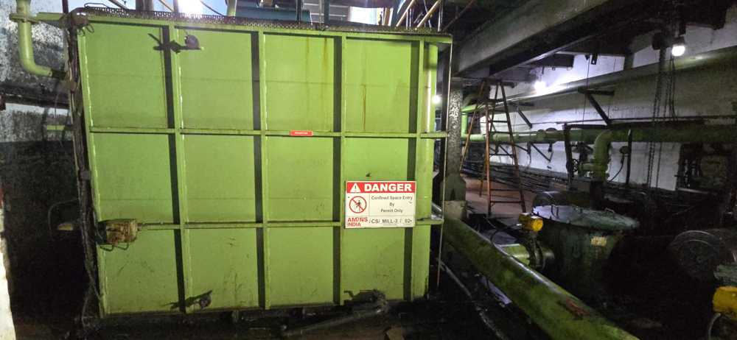
 | 2 | Mill-3/CNF/4 | Mill-3 Housing Catchment tray | CRM | Mill-3 | Indoor | YES | YES | YES | YES | NO | NO | NO | YES | NGH |  | X | X | X | ✓ | ✓ | X | X | X | ✓ | ✓ | X | ✓ | ✓ | ✓ | ✓ | ✓ | X | X | X | Mechanical machinery; Electrical equipment and lights; Sparks from electrical equipment; Stray currents from electrical equipment; Electrostatic discharge sparks; Friction heating or sparks; Cutting and welding flames | AMNSI/AMNS PUNE/CRM Confined Space-Mill 3- Housing Catchment tray /02 /SOP | L4-CRM Prod -Confined Space-Mill 3 Housing Catchment tray -HIRAC-02 | 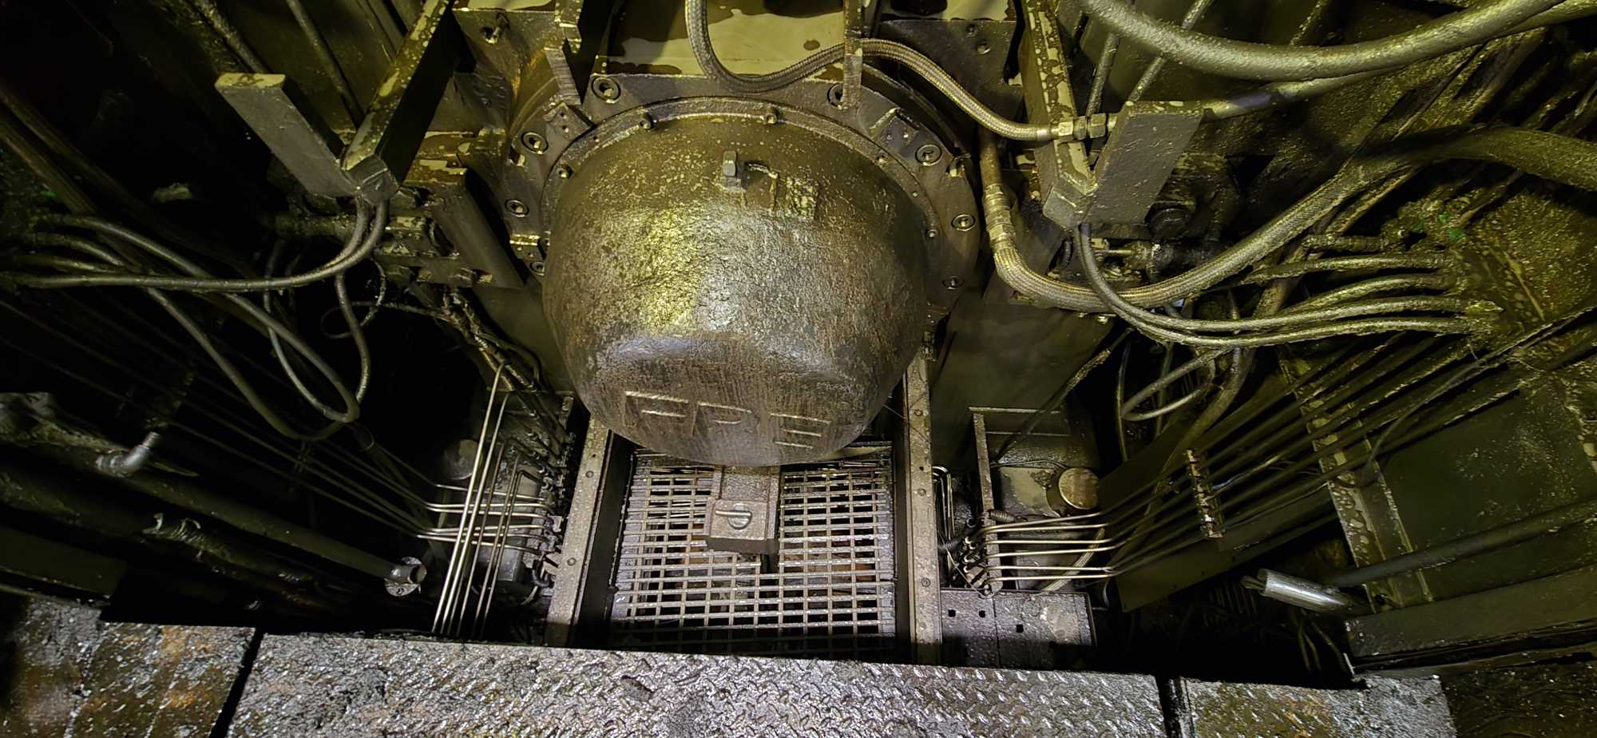
 | 3 | Mill-1/CNF/6 | Mill-1 Coolant Tank | CRM | Mill-1 | Indoor | YES | YES | YES | YES | NO | NO | NO | YES | NGH |  | X | X | X | ✓ | ✓ | X | X | X | ✓ | ✓ | X | ✓ | ✓ | ✓ | ✓ | ✓ | X | X | X | Mechanical machinery; Electrical equipment and lights; Sparks from electrical equipment; Stray currents from electrical equipment; Electrostatic discharge sparks; Friction heating or sparks; Cutting and welding flames | AMNSI/AMNS PUNE/CRM Confined Space-Mill 1- Coolant Tank /03 /SOP | L4-CRM Prod -Confined Space-Mill 1 Coolant Tank -HIRAC-03 | 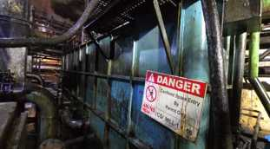
 | 4 | Mill-2/CNF/7 | Mill-2 Coolant Tank | CRM | Mill-2 | Indoor | YES | YES | YES | YES | NO | NO | NO | YES | NGH |  | X | X | X | ✓ | ✓ | X | X | X | ✓ | ✓ | X | ✓ | ✓ | ✓ | ✓ | ✓ | X | X | X | Mechanical machinery; Electrical equipment and lights; Sparks from electrical equipment; Stray currents from electrical equipment; Electrostatic discharge sparks; Friction heating or sparks; Cutting and welding flames | AMNSI/AMNS PUNE/CRM Confined Space-Mill 2- Coolant Tank 04 /SOP | L4-CRM Prod -Confined Space-Mill 2 Coolant Tank -HIRAC-04 | 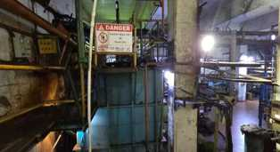
 | 5 | Mill-1/CNF/8 | Mill-1 Housing Catchment tray | CRM | Mill-1 | Indoor | YES | YES | YES | YES | NO | NO | NO | YES | NGH |  | X | X | X | ✓ | ✓ | X | X | X | ✓ | ✓ | X | ✓ | ✓ | ✓ | ✓ | ✓ | X | X | X | Mechanical machinery; Electrical equipment and lights; Sparks from electrical equipment; Stray currents from electrical equipment; Electrostatic discharge sparks; Friction heating or sparks; Cutting and welding flames | AMNSI/AMNS PUNE/CRM Confined Space-Mill 1- Housing Catchment tray /05 /SOP | L4-CRM Prod -Confined Space-Mill 1 Housing Catchment tray -HIRAC-05 | 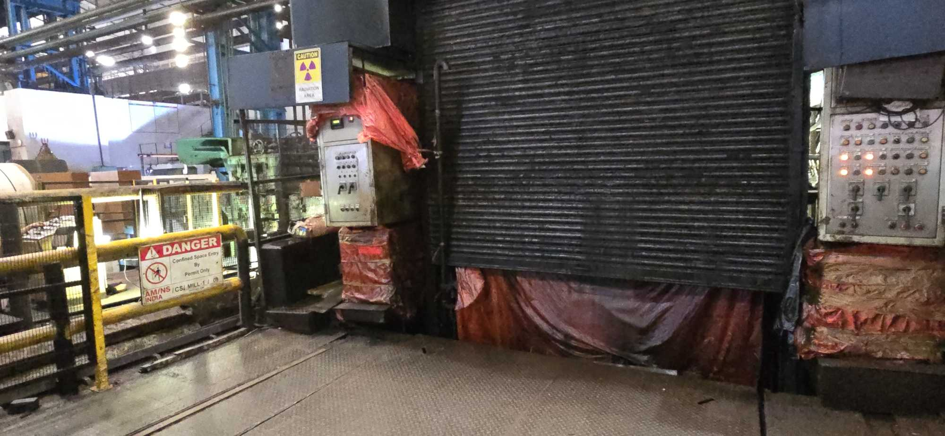
PICKLING | 6 | Pickling/CNF/1 | Pickling Acid RecirculationTank no-1 | CRM | Pickling | Indoor | YES | YES | YES | YES | NO | NO | NO | YES | GHA | LOW | X | X | X | ✓ | X | X | X | X | X | ✓ | X | X | X | ✓ | ✓ | ✓ | X | X | X | Electrical equipment and lights; Sparks from electrical equipment; Stray currents from electrical equipment; Electrostatic discharge sparks; Cutting and welding flames | AMNSI/AMNS PUNE/Pickling Confined Space- Acid recirculation tank no 1- /06 /SOP | L4-Pickling-Confined Space-Acid Recirculation tank 1-HIRAC-06 | 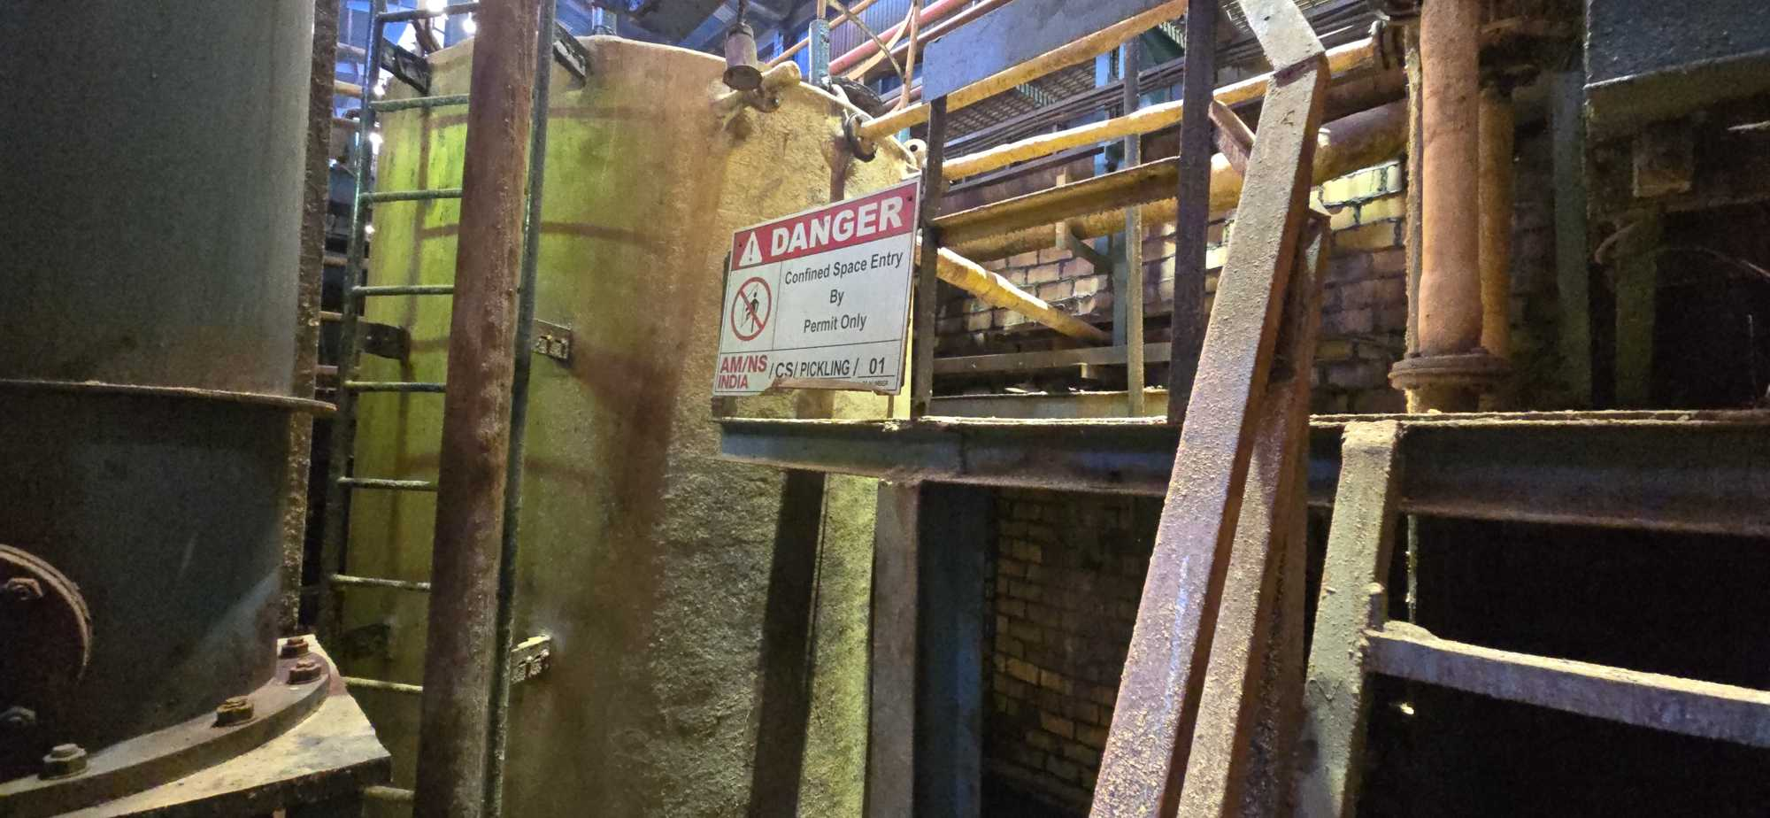
 | 7 | Pickling/CNF/2 | Pickling Acid Recirculation Tank no-2 | CRM | Pickling | Indoor | YES | YES | YES | YES | NO | NO | NO | YES | GHA | LOW | X | X | X | ✓ | X | X | X | X | X | ✓ | X | X | X | ✓ | ✓ | ✓ | X | X | X | Electrical equipment and lights; Sparks from electrical equipment; Stray currents from electrical equipment; Electrostatic discharge sparks; Cutting and welding flames | AMNSI/AMNS PUNE/Pickling Confined Space- Acid recirculation tank no 2- /07 /SOP | L4-Pickling-Confined Space-Acid Recirculation tank 2-HIRAC-07 | 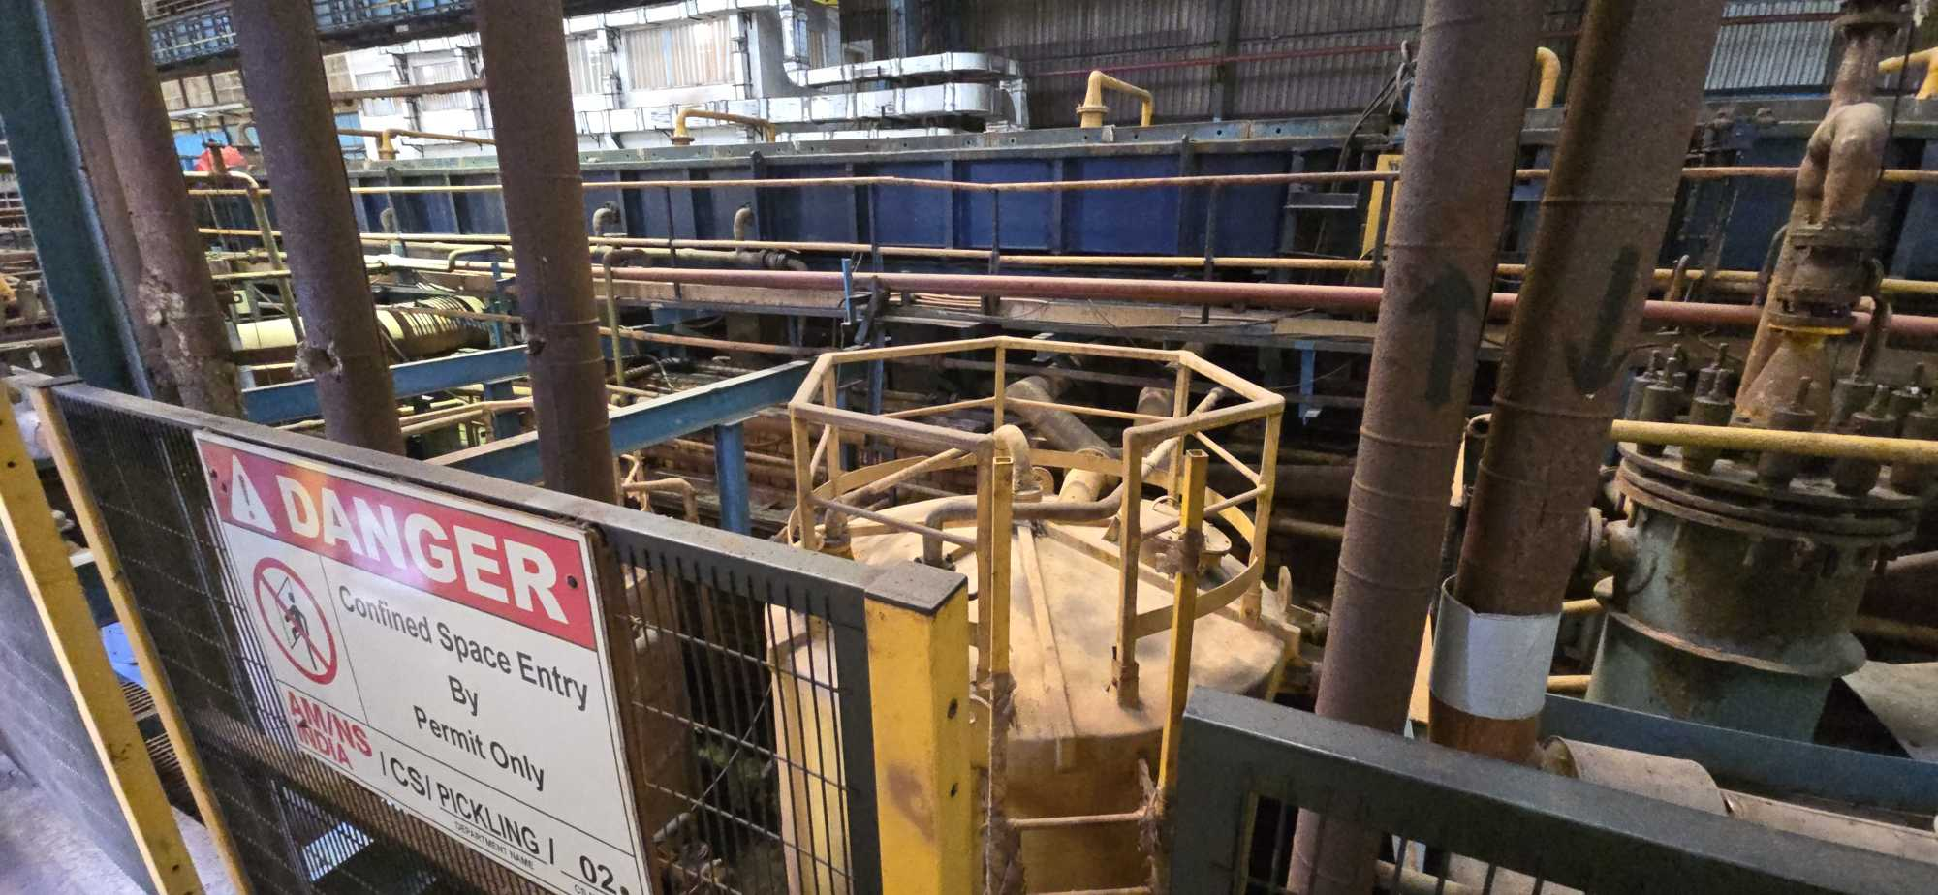
 | 8 | Pickling/CNF/3 | Pickling Acid Recirculation Tank no-3 | CRM | Pickling | Indoor | YES | YES | YES | YES | NO | NO | NO | YES | GHA | LOW | X | X | X | ✓ | X | X | X | X | X | ✓ | X | X | X | ✓ | ✓ | ✓ | X | X | X | Electrical equipment and lights; Sparks from electrical equipment; Stray currents from electrical equipment; Electrostatic discharge sparks; Cutting and welding flames | AMNSI/AMNS PUNE/Pickling Confined Space- Acid recirculation tank no 3 /08 /SOP | L4-Pickling-Confined Space-Acid Recirculation tank 3-HIRAC-08 | 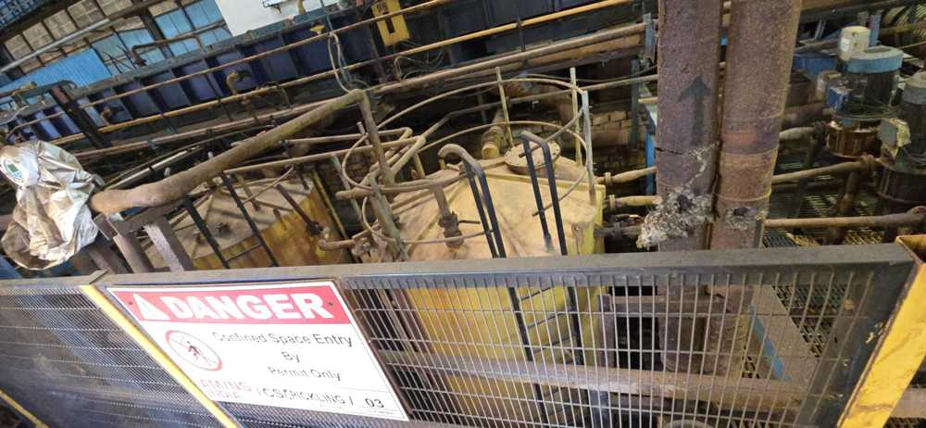
 | 9 | Pickling/CNF/4 | Pickling Acid Recirculation Tank no-4 | CRM | Pickling | Indoor | YES | YES | YES | YES | NO | NO | NO | YES | GHA | LOW | X | X | X | ✓ | X | X | X | X | X | ✓ | X | X | X | ✓ | ✓ | ✓ | X | X | X | Electrical equipment and lights; Sparks from electrical equipment; Stray currents from electrical equipment; Electrostatic discharge sparks; Cutting and welding flames | AMNSI/AMNS PUNE/Pickling Confined Space- Acid recirculation tank no 4 /09 /SOP | L4-Pickling-Confined Space-Acid Recirculation tank 4-HIRAC-09 | 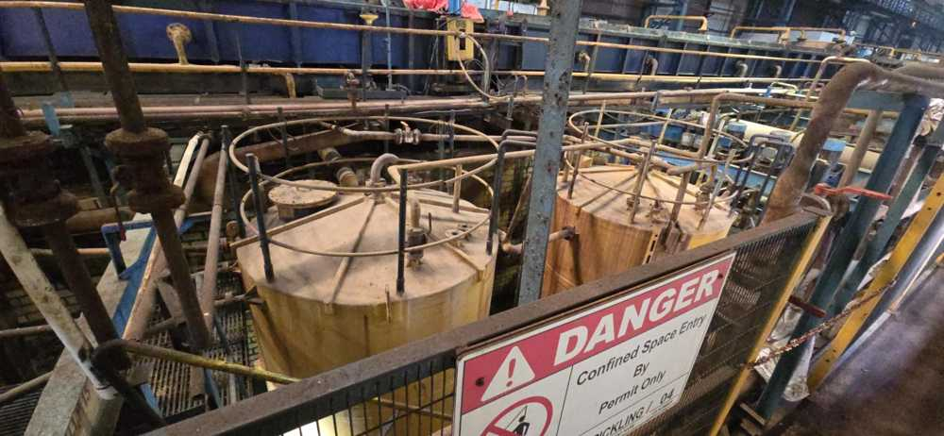
 | 10 | Pickling/CNF/5 | Waste Acid Tank | CRM | Pickling | Indoor | YES | YES | YES | YES | NO | NO | YES | YES | GHA | LOW | X | X | X | ✓ | X | X | X | X | X | ✓ | X | X | X | ✓ | ✓ | ✓ | X | X | X | Electrical equipment and lights; Sparks from electrical equipment; Stray currents from electrical equipment; Electrostatic discharge sparks; Cutting and welding flames | AMNSI/AMNS PUNE/Pickling Confined Space- Waste Acid Tank /10 /SOP | L4-Pickling-Confined Space-Waste Acid Tank-HIRAC-10 | 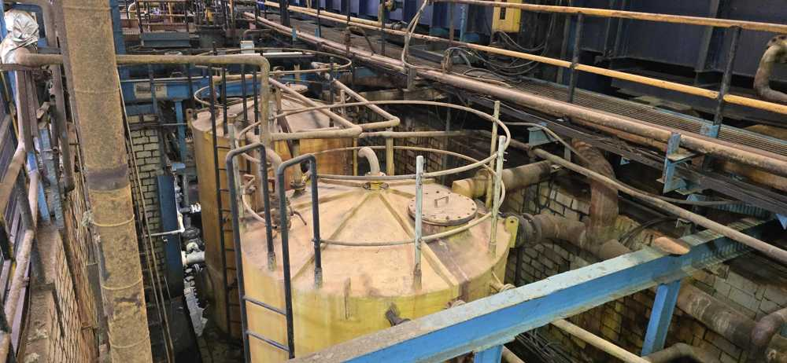
 | 11 | Pickling/CNF/7 | Pickling/ARP trench area for RA,Waste acid ,Propane line | CRM | Pickling | Indoor | YES | YES | YES | YES | NO | NO | NO | YES | GHA | LOW | ✓ | X | ✓ | ✓ | X | X | X | X | X | ✓ | X | X | X | ✓ | ✓ | ✓ | X | X | X | Flames , Use of cigarette and Matches ,Cutting and Welding Flames,Electrical Equipment , Sparks From Electrical Equipment , Stray Currents , Electro static Discharge | AMNSI/AMNS PUNE/Pickling Confined Space- Trench Area for RA ,Waste /11 /SOP | L4-Pickling-Confined Space-Trench area for RA, Waste acid , Propane line -HIRAC-11 | 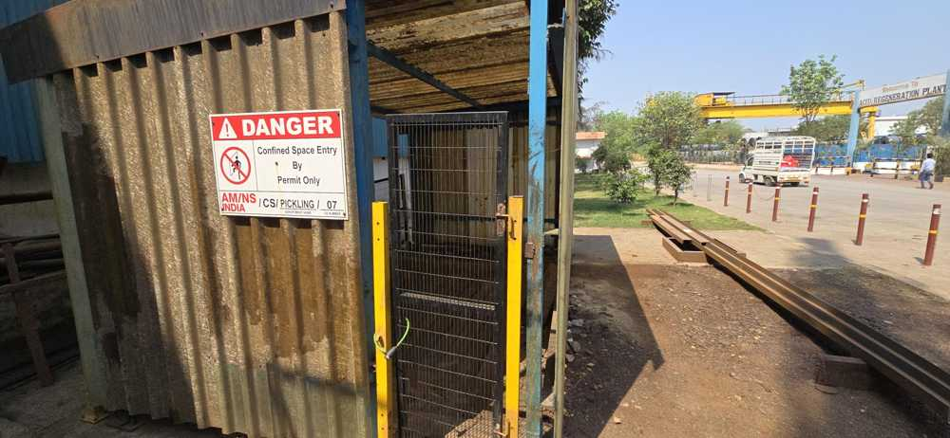
 | 12 | Pickling/CNF/13 | Rinse water transfer Tank | CRM | Pickling | Indoor | YES | YES | YES | YES | NO | NO | NO | YES | GHA | LOW | X | X | X | ✓ | X | X | X | X | X | ✓ | X | X | X | ✓ | ✓ | ✓ | X | X | X | Electrical equipment and lights; Sparks from electrical equipment; Stray currents from electrical equipment; Electrostatic discharge sparks; Cutting and welding flames | AMNSI/AMNS PUNE/Pickling Confined Space- Rinse Water transfer Tank /12 /SOP | L4-Pickling-Confined Space-Rinse Water transfer tank-HIRAC-12
ARP | 13 | ARP/CNF/1 | ARP acid storage tank 1 | CRM | ARP | Indoor | YES | YES | YES | YES | NO | NO | YES | YES | GHA | LOW | X | X | X | ✓ | X | X | X | X | X | ✓ | X | X | X | ✓ | ✓ | ✓ | X | X | X | Electrical equipment and lights; Sparks from electrical equipment; Stray currents from electrical equipment; Electrostatic discharge sparks; Cutting and welding flames | AMNSI/AMNS PUNE/ARP Confined Space- Acid Storage tank no 1/13 /SOP | L4-ARP-Confined Space-Acid Storage tank 1-HIRAC-13 | 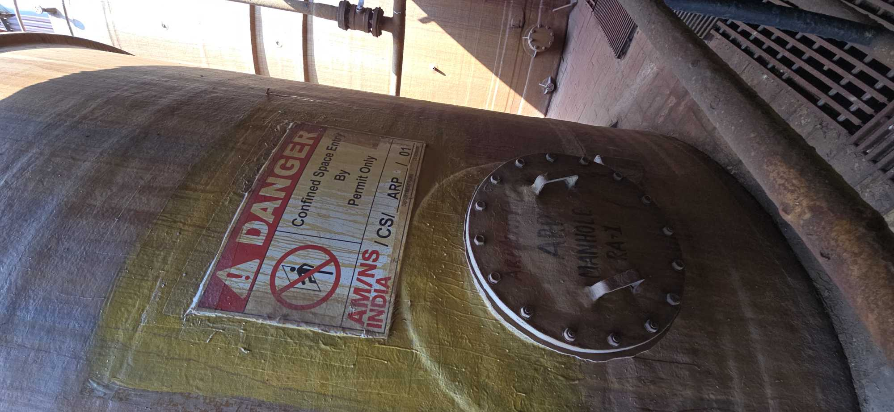
 | 14 | ARP/CNF/2 | ARP acid storage tank 2 | CRM | ARP | Indoor | YES | YES | YES | YES | NO | NO | YES | YES | GHA | LOW | X | X | X | ✓ | X | X | X | X | X | ✓ | X | X | X | ✓ | ✓ | ✓ | X | X | X | Electrical equipment and lights; Sparks from electrical equipment; Stray currents from electrical equipment; Electrostatic discharge sparks; Cutting and welding flames | AMNSI/AMNS PUNE/ARP Confined Space- Acid Storage tank no 2/14 /SOP | L4-ARP-Confined Space-Acid Storage tank 2-HIRAC-14 | 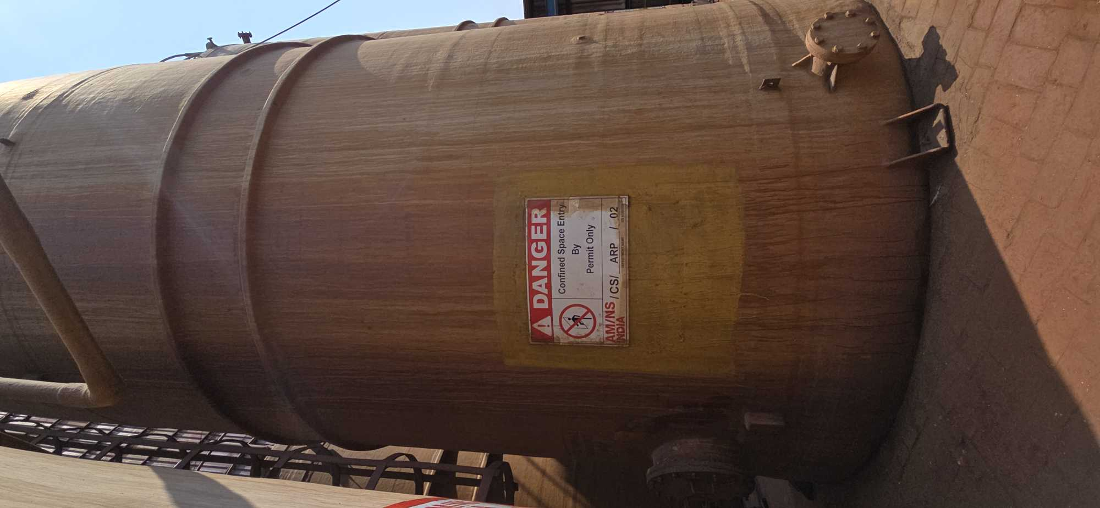
 | 15 | ARP/CNF/3 | ARP acid storage tank 3 | CRM | ARP | Indoor | YES | YES | YES | YES | NO | NO | YES | YES | GHA | LOW | X | X | X | ✓ | X | X | X | X | X | ✓ | X | X | X | ✓ | ✓ | ✓ | X | X | X | Electrical equipment and lights; Sparks from electrical equipment; Stray currents from electrical equipment; Electrostatic discharge sparks; Cutting and welding flames | AMNSI/AMNS PUNE/ARP Confined Space- Acid Storage tank no 3/15 /SOP | L4-ARP-Confined Space-Acid Storage tank 3-HIRAC-15 | 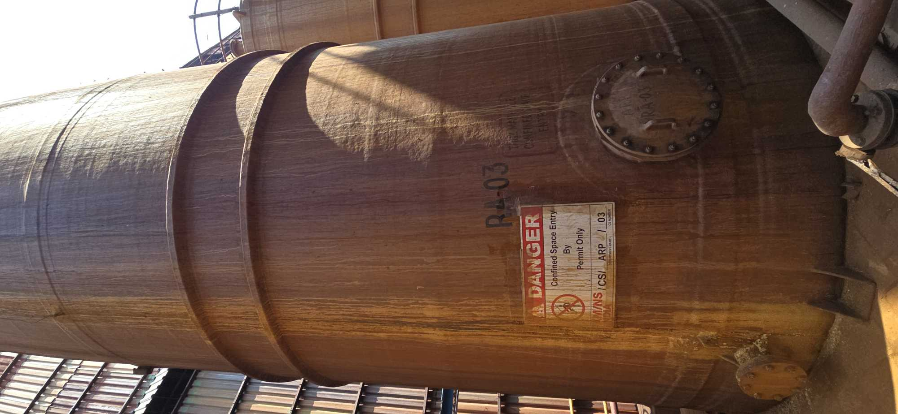
 | 16 | ARP/CNF/4 | ARP acid storage tank 4 | CRM | ARP | Indoor | YES | YES | YES | YES | NO | NO | YES | YES | GHA | LOW | X | X | X | ✓ | X | X | X | X | X | ✓ | X | X | X | ✓ | ✓ | ✓ | X | X | X | Electrical equipment and lights; Sparks from electrical equipment; Stray currents from electrical equipment; Electrostatic discharge sparks; Cutting and welding flames | AMNSI/AMNS PUNE/ARP Confined Space- Acid Storage tank no 4/16 /SOP | L4-ARP-Confined Space-Acid Storage tank 4-HIRAC-16 | 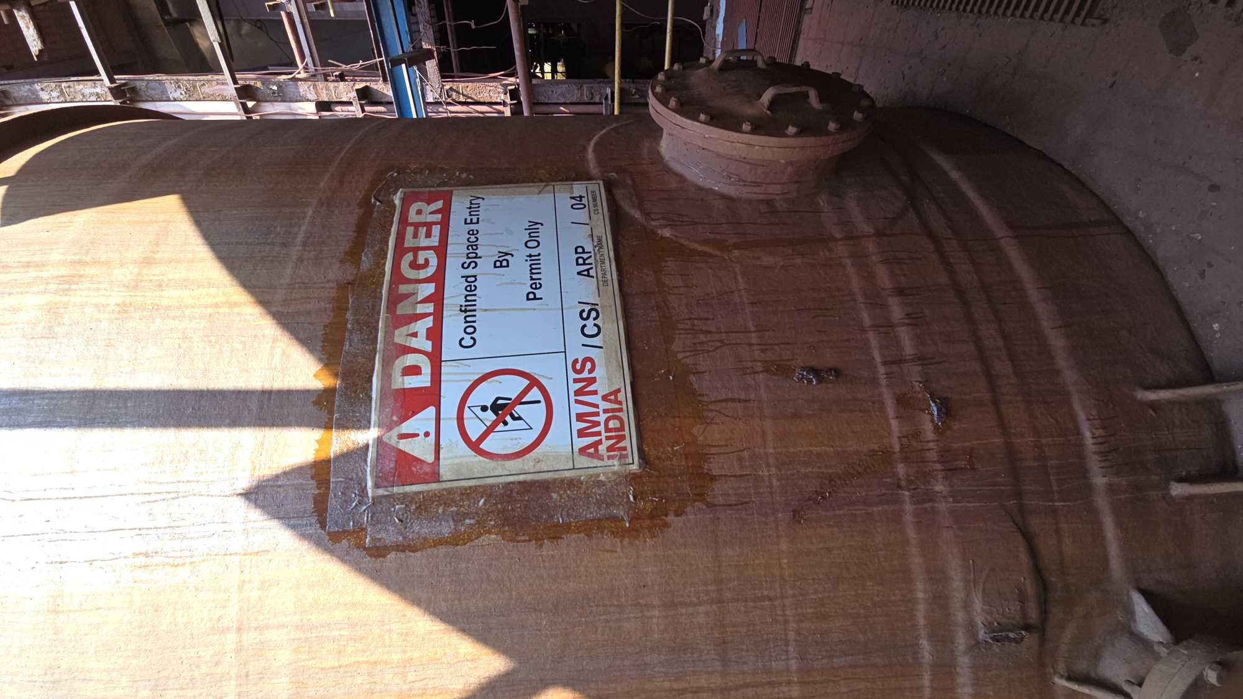
 | 17 | ARP/CNF/5 | ARP acid storage tank 5 | CRM | ARP | Indoor | YES | YES | YES | YES | NO | NO | YES | YES | GHA | LOW | X | X | X | ✓ | X | X | X | X | X | ✓ | X | X | X | ✓ | ✓ | ✓ | X | X | X | Electrical equipment and lights; Sparks from electrical equipment; Stray currents from electrical equipment; Electrostatic discharge sparks; Cutting and welding flames | AMNSI/AMNS PUNE/ARP Confined Space- Acid Storage tank no 5/17 /SOP | L4-ARP-Confined Space-Acid Storage tank 5-HIRAC-17 | 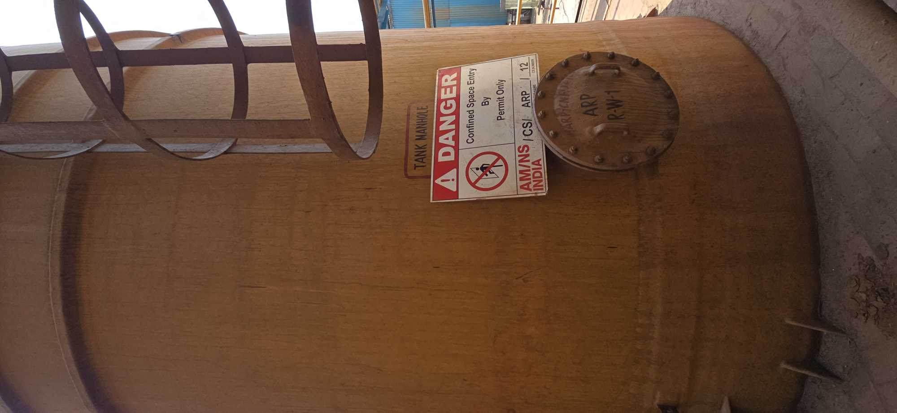
 | 18 | ARP/CNF/6 | ARP acid storage tank 6 | CRM | ARP | Indoor | YES | YES | YES | YES | NO | NO | YES | YES | GHA | LOW | X | X | X | ✓ | X | X | X | X | X | ✓ | X | X | X | ✓ | ✓ | ✓ | X | X | X | Electrical equipment and lights; Sparks from electrical equipment; Stray currents from electrical equipment; Electrostatic discharge sparks; Cutting and welding flames | AMNSI/AMNS PUNE/ARP Confined Space- Acid Storage tank no 6 /18 /SOP | L4-ARP-Confined Space-Acid Storage tank 6-HIRAC-18 | 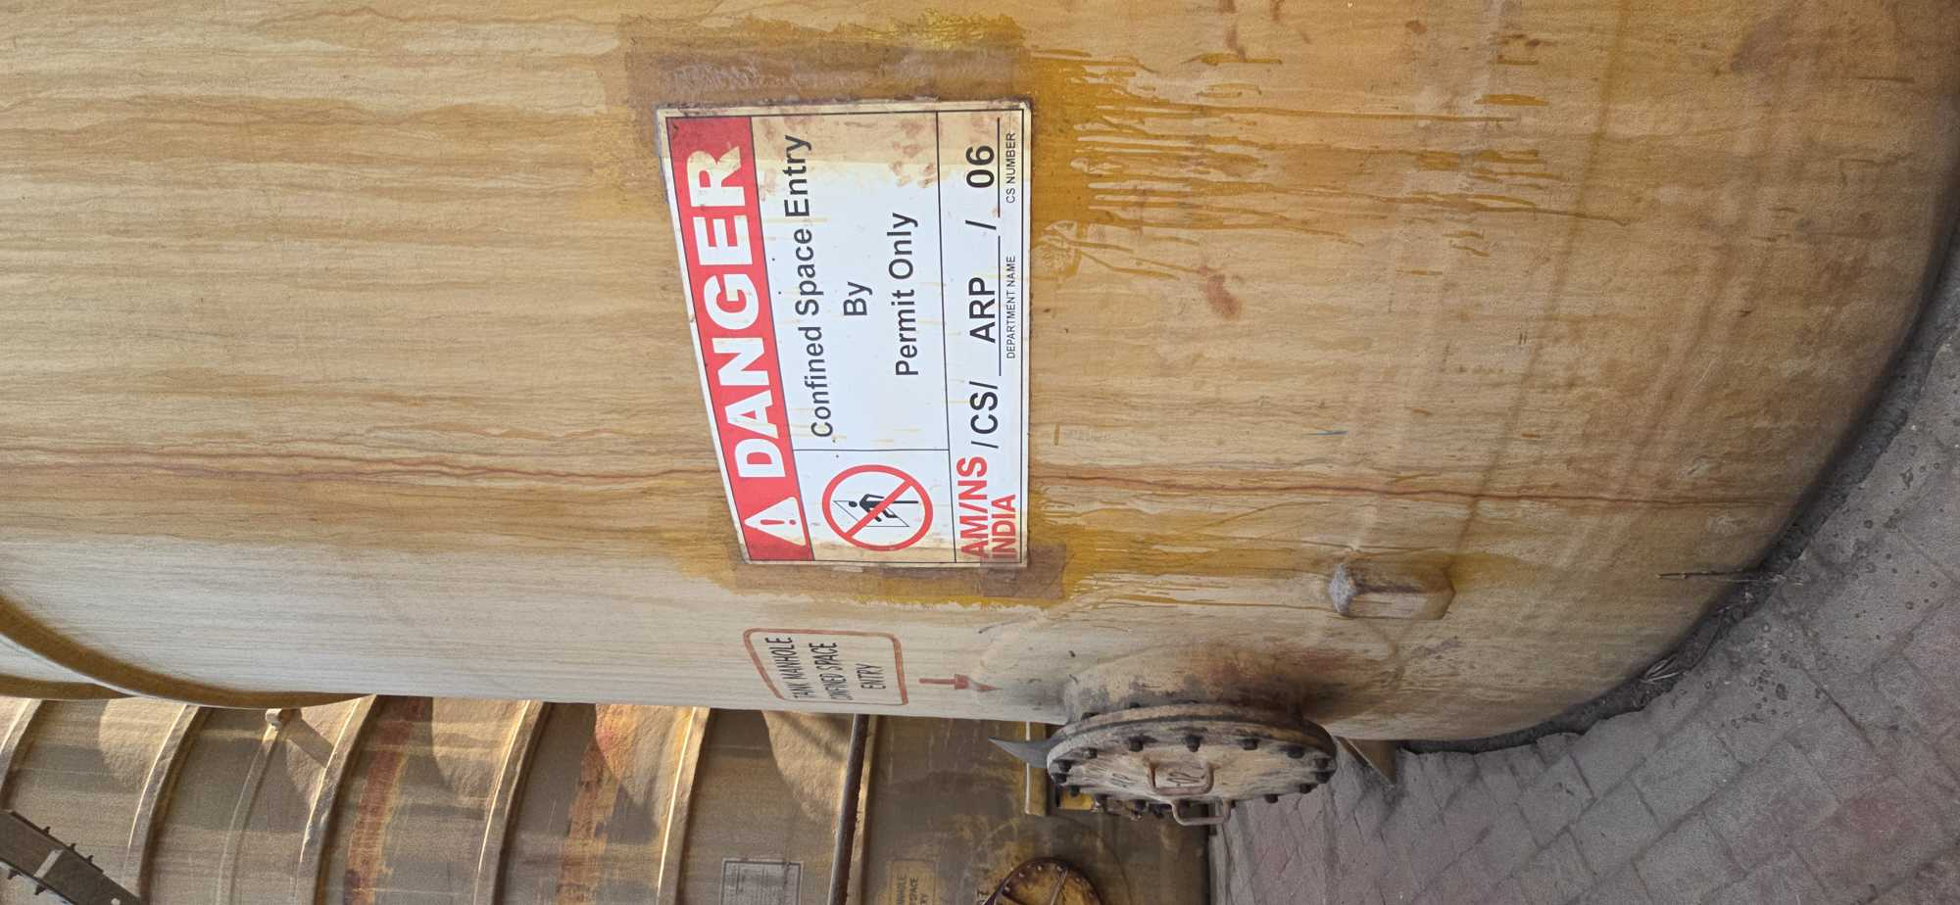
 | 19 | ARP/CNF/7 | ARP acid storage tank 7 | CRM | ARP | Indoor | YES | YES | YES | YES | NO | NO | YES | YES | GHA | LOW | X | X | X | ✓ | X | X | X | X | X | ✓ | X | X | X | ✓ | ✓ | ✓ | X | X | X | Electrical equipment and lights; Sparks from electrical equipment; Stray currents from electrical equipment; Electrostatic discharge sparks; Cutting and welding flames | AMNSI/AMNS PUNE/ARP Confined Space- Acid Storage tank no 7 /19 /SOP | L4-ARP-Confined Space-Acid Storage tank 7-HIRAC-19 | 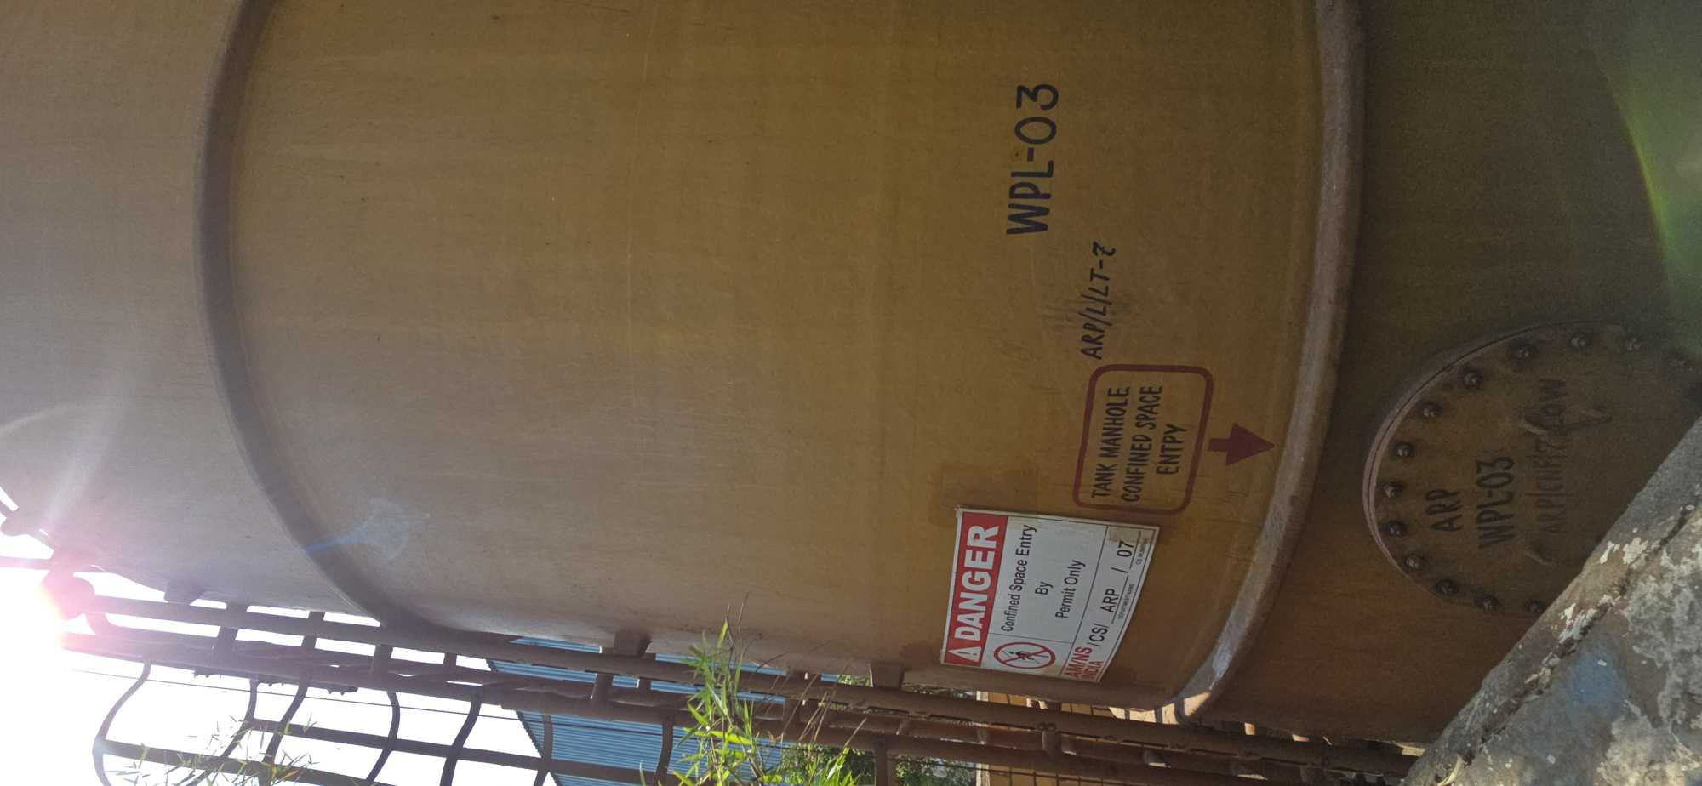
 | 20 | ARP/CNF/8 | ARP acid storage tank 8 | CRM | ARP | Indoor | YES | YES | YES | YES | NO | NO | YES | YES | GHA | LOW | X | X | X | ✓ | X | X | X | X | X | ✓ | X | X | X | ✓ | ✓ | ✓ | X | X | X | Electrical equipment and lights; Sparks from electrical equipment; Stray currents from electrical equipment; Electrostatic discharge sparks; Cutting and welding flames | AMNSI/AMNS PUNE/ARP Confined Space- Acid Storage tank no 8/20 /SOP | L4-ARP-Confined Space-Acid Storage tank 8-HIRAC-20 | 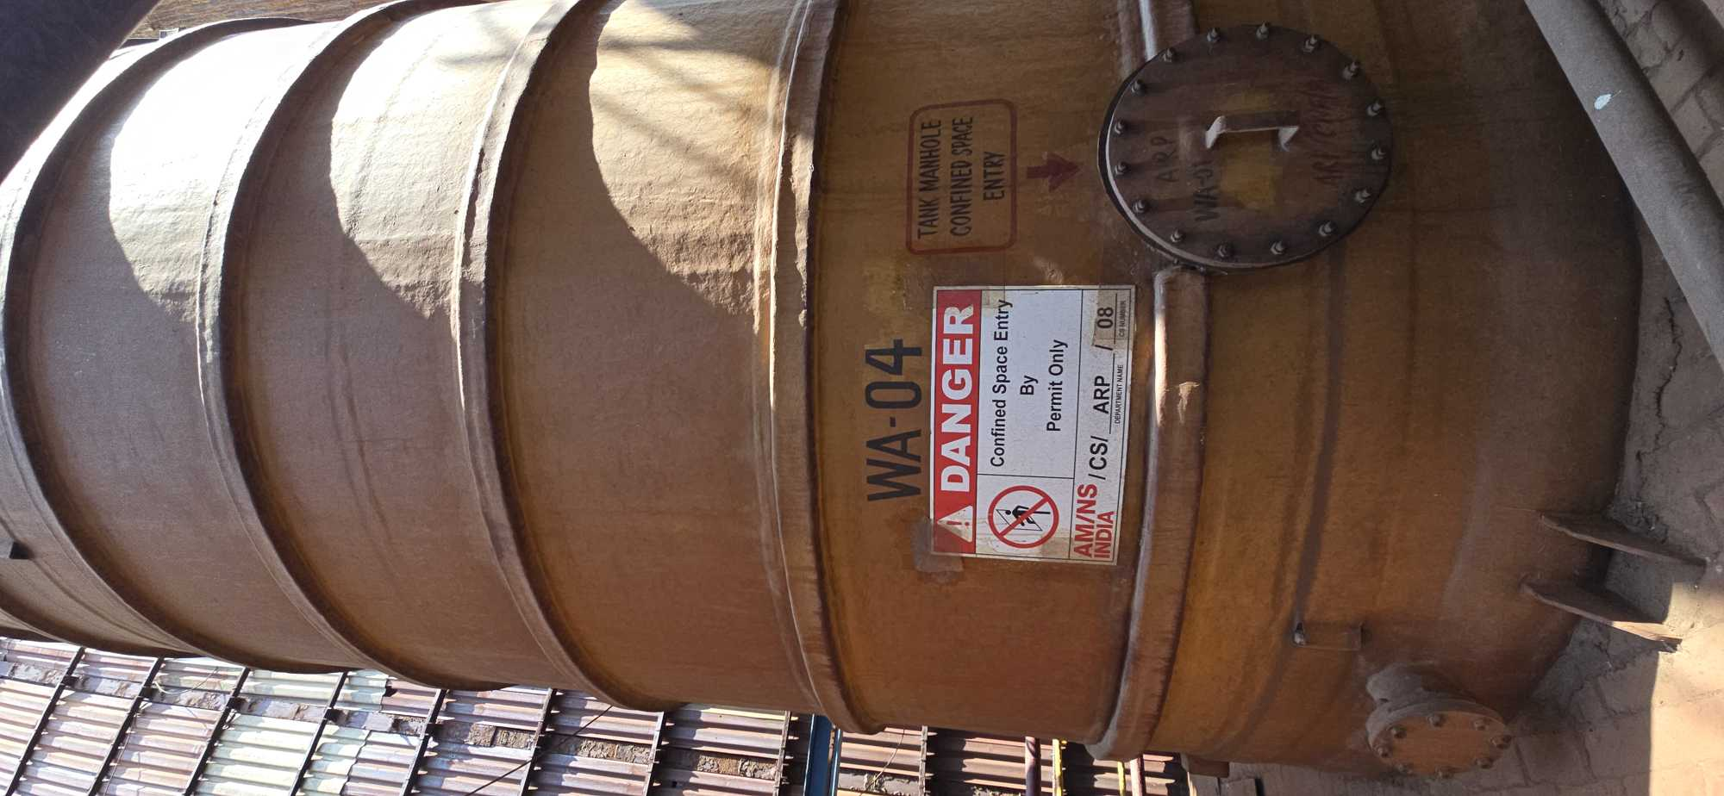
 | 21 | ARP/CNF/9 | ARP acid storage tank 9 | CRM | ARP | Indoor | YES | YES | YES | YES | NO | NO | YES | YES | GHA | LOW | X | X | X | ✓ | X | X | X | X | X | ✓ | X | X | X | ✓ | ✓ | ✓ | X | X | X | Electrical equipment and lights; Sparks from electrical equipment; Stray currents from electrical equipment; Electrostatic discharge sparks; Cutting and welding flames | AMNSI/AMNS PUNE/ARP Confined Space- Acid Storage tank no 9/21 /SOP | L4-ARP-Confined Space-Acid Storage tank 9-HIRAC-21 | 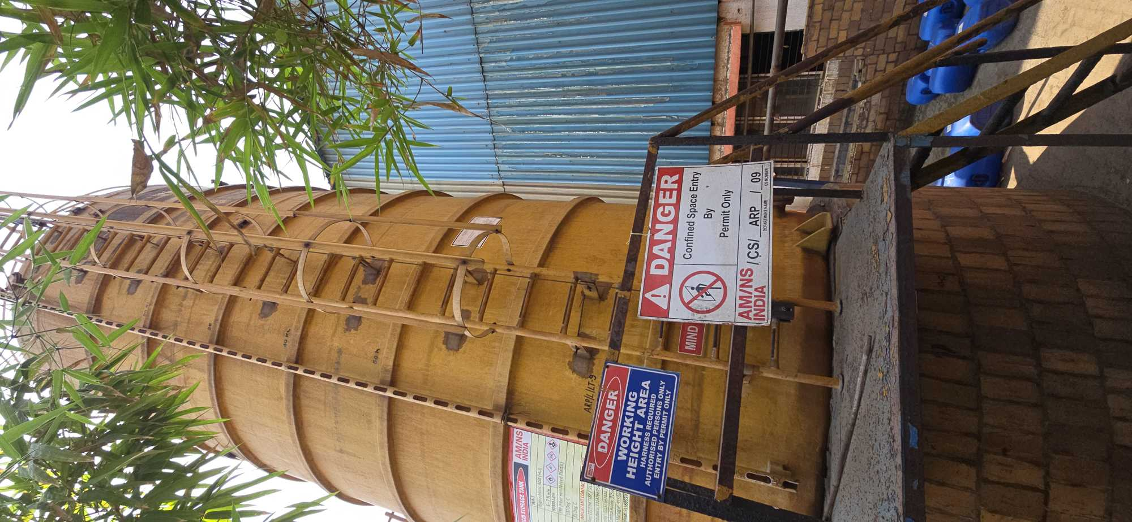
 | 22 | ARP/CNF/10 | ARP acid storage tank 10 | CRM | ARP | Indoor | YES | YES | YES | YES | NO | NO | YES | YES | GHA | LOW | X | X | X | ✓ | X | X | X | X | X | ✓ | X | X | X | ✓ | ✓ | ✓ | X | X | X | Electrical equipment and lights; Sparks from electrical equipment; Stray currents from electrical equipment; Electrostatic discharge sparks; Cutting and welding flames | AMNSI/AMNS PUNE/ARP Confined Space- Acid Storage tank no 10/ 22 /SOP | L4-ARP-Confined Space-Acid Storage tank 10-HIRAC-22 | 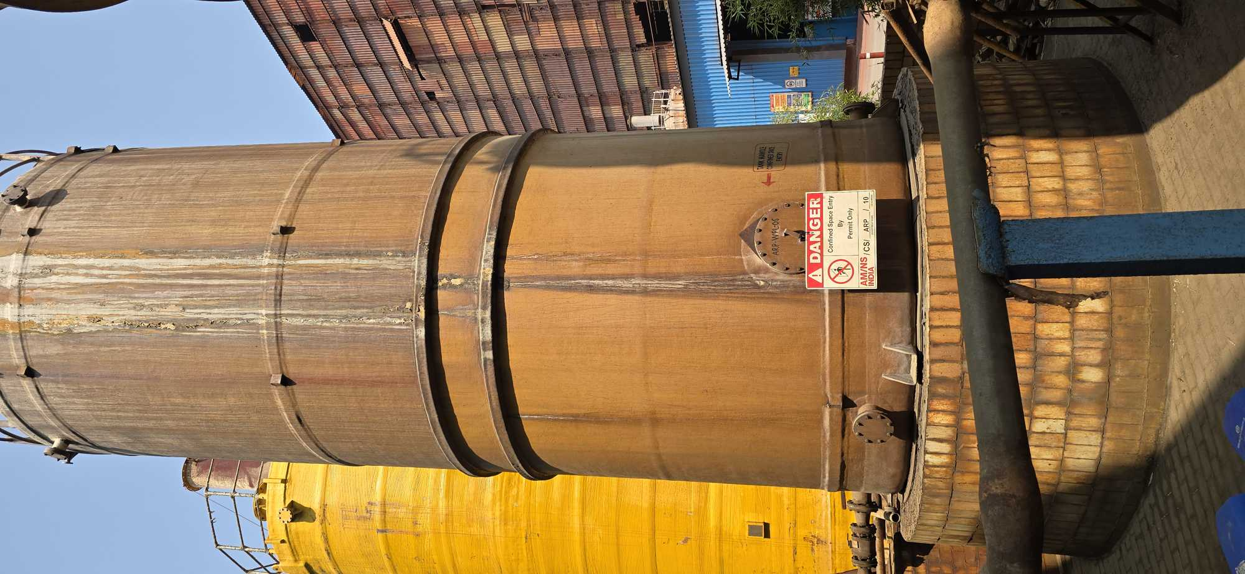
 | 23 | ARP/CNF/11 | ARP acid storage tank 11 | CRM | ARP | Indoor | YES | YES | YES | YES | NO | NO | YES | YES | GHA | LOW | X | X | X | ✓ | X | X | X | X | X | ✓ | X | X | X | ✓ | ✓ | ✓ | X | X | X | Electrical equipment and lights; Sparks from electrical equipment; Stray currents from electrical equipment; Electrostatic discharge sparks; Cutting and welding flames | AMNSI/AMNS PUNE/ARP Confined Space- Acid Storage tank no 11/23 /SOP | L4-ARP-Confined Space-Acid Storage tank 11-HIRAC-23 | 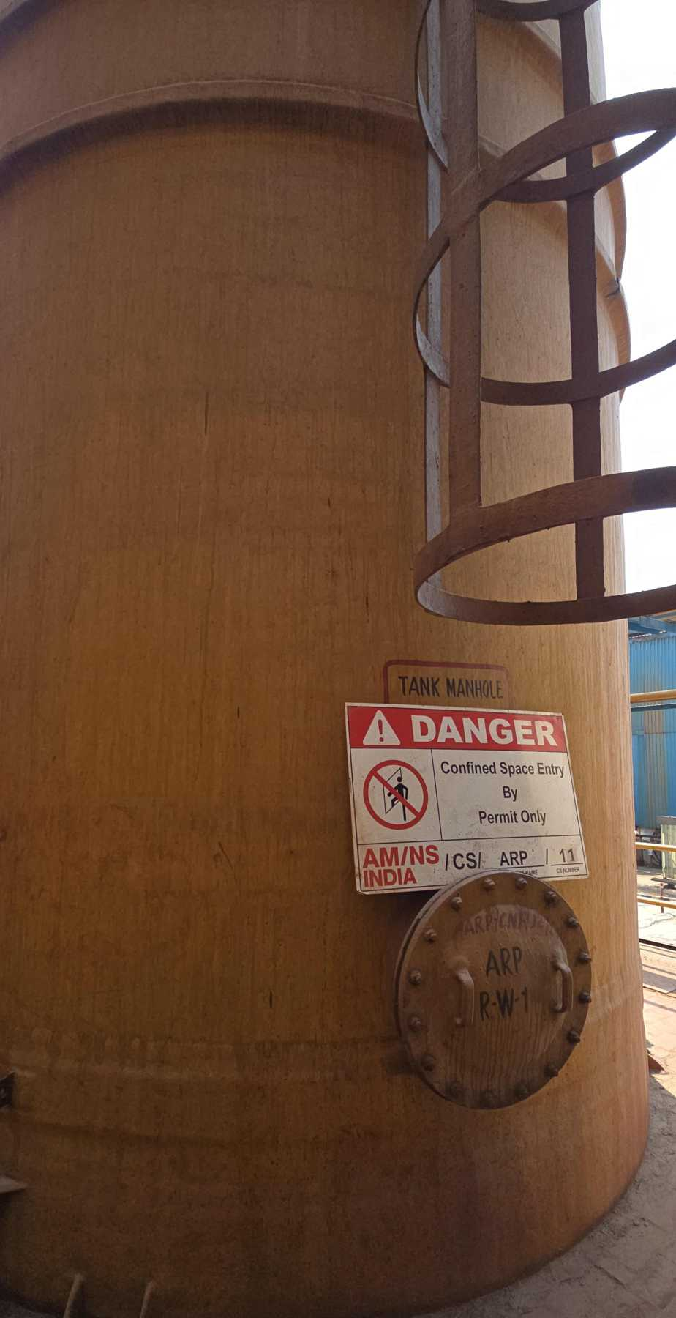
 | 24 | ARP/CNF/12 | ARP acid storage tank 12 | CRM | ARP | Indoor | YES | YES | YES | YES | NO | NO | YES | YES | GHA | LOW | X | X | X | ✓ | X | X | X | X | X | ✓ | X | X | X | ✓ | ✓ | ✓ | X | X | X | Electrical equipment and lights; Sparks from electrical equipment; Stray currents from electrical equipment; Electrostatic discharge sparks; Cutting and welding flames | AMNSI/AMNS PUNE/ARP Confined Space- Acid Storage tank no 12/24 /SOP | L4-ARP-Confined Space-Acid Storage tank 12-HIRAC-24
 | 25 | ARP/CNF/13 | ARP acid storage tank 13 | CRM | ARP | Indoor | YES | YES | YES | YES | NO | NO | YES | YES | GHA | LOW | X | X | X | ✓ | X | X | X | X | X | ✓ | X | X | X | ✓ | ✓ | ✓ | X | X | X | Electrical equipment and lights; Sparks from electrical equipment; Stray currents from electrical equipment; Electrostatic discharge sparks; Cutting and welding flames | AMNSI/AMNS PUNE/ARP Confined Space- Acid Storage tank no 13/25 /SOP | L4-ARP-Confined Space-Acid Storage tank 13-HIRAC-25 | 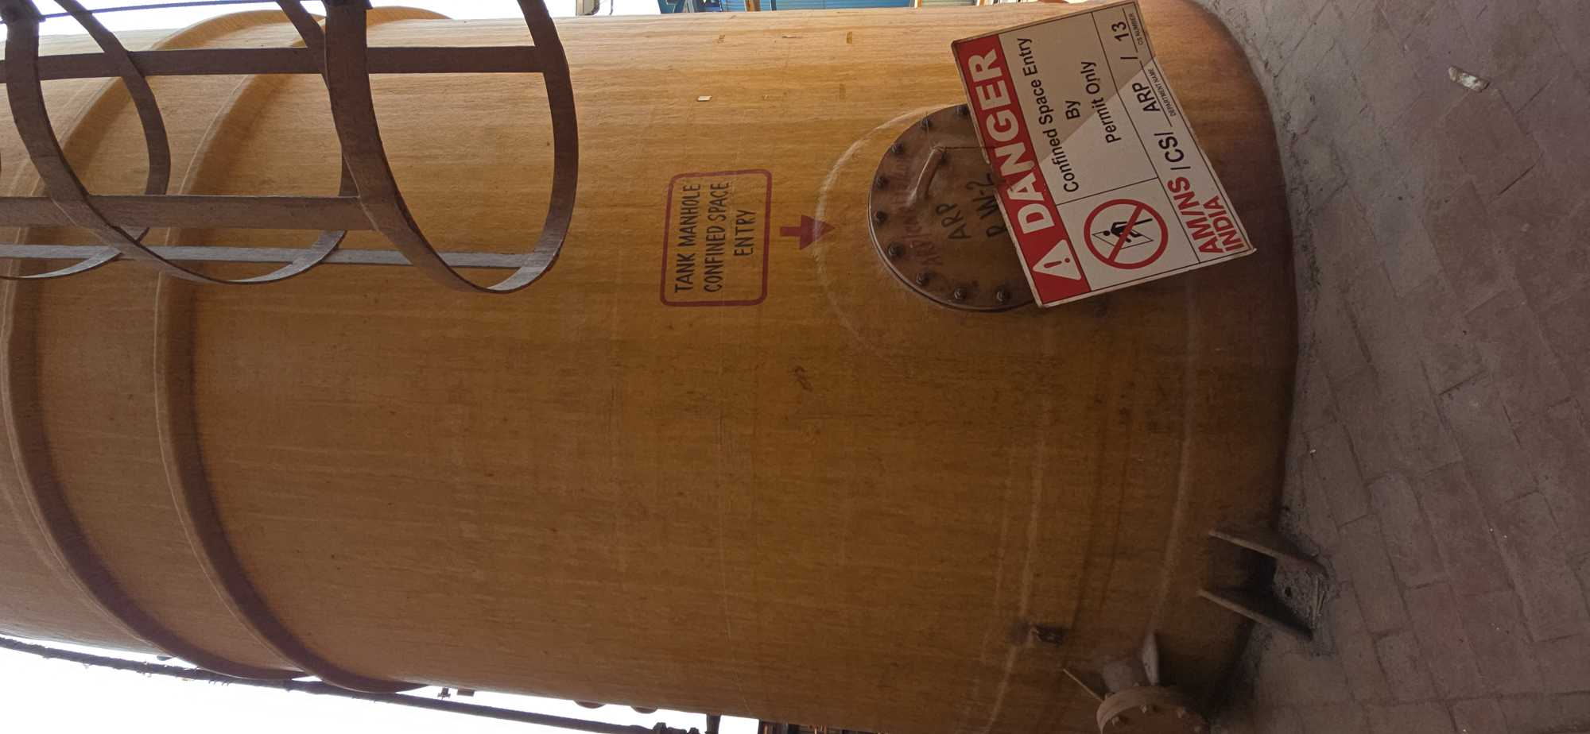
 | 26 | ARP/CNF/14 | ARP acid storage tank 14 | CRM | ARP | Indoor | YES | YES | YES | YES | NO | NO | YES | YES | GHA | LOW | X | X | X | ✓ | X | X | X | X | X | ✓ | X | X | X | ✓ | ✓ | ✓ | X | X | X | Electrical equipment and lights; Sparks from electrical equipment; Stray currents from electrical equipment; Electrostatic discharge sparks; Cutting and welding flames | AMNSI/AMNS PUNE/ARP Confined Space- Acid Storage tank no 14 /26 /SOP | L4-ARP-Confined Space-Acid Storage tank 14-HIRAC-26 | 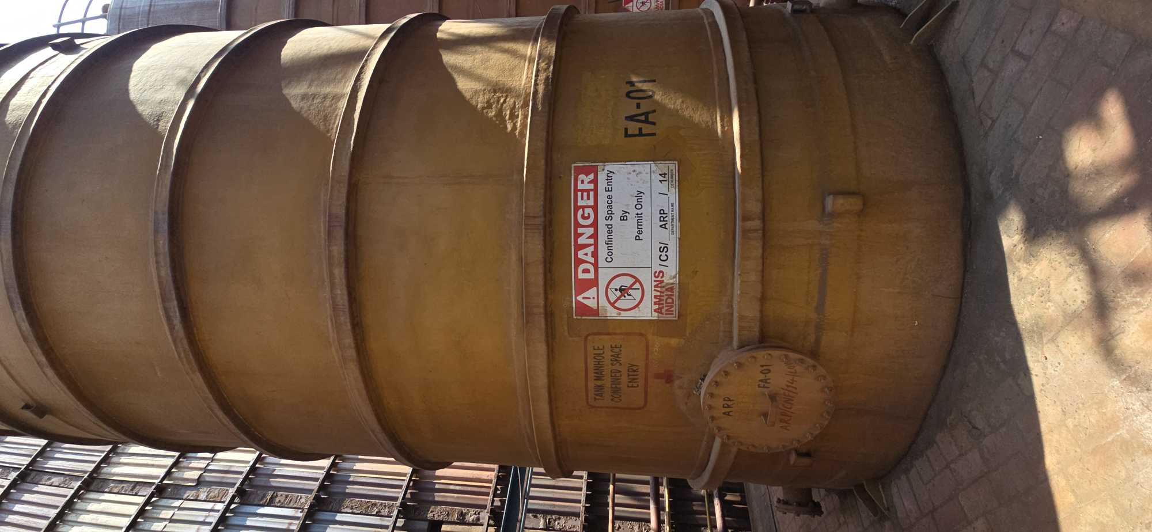
 | 27 | ARP/CNF/15 | ARP acid storage tank 15 | CRM | ARP | Indoor | YES | YES | YES | YES | NO | NO | YES | YES | GHA | LOW | X | X | X | ✓ | X | X | X | X | X | ✓ | X | X | X | ✓ | ✓ | ✓ | X | X | X | Electrical equipment and lights; Sparks from electrical equipment; Stray currents from electrical equipment; Electrostatic discharge sparks; Cutting and welding flames | AMNSI/AMNS PUNE/ARP Confined Space- Acid Storage tank no 15 / 27 /SOP | L4-ARP-Confined Space-Acid Storage tank 15-HIRAC-27 | 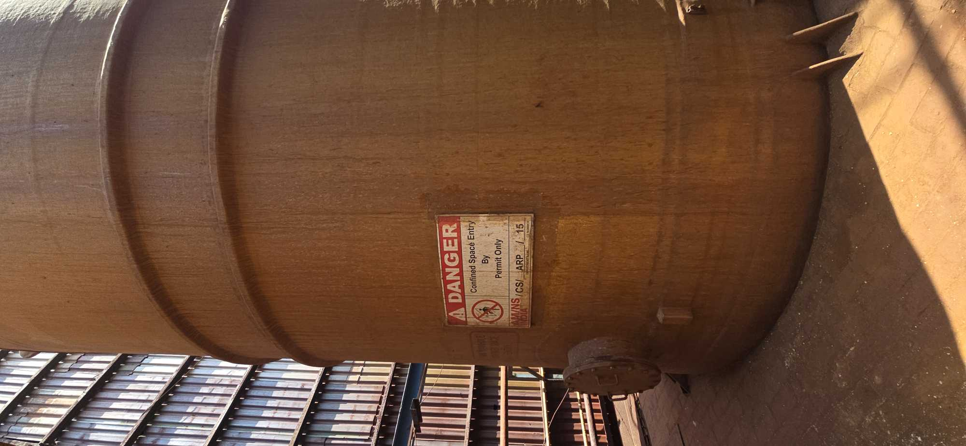
CGL | 28 | CGL1/CNF/ 04/GHA/HI | CGL-1 Furnace Section | CGL-1 | Furnace Section | Indoor | YES | YES | YES | YES | NO | NO | YES | YES | GHA | HIGH | ✓ | ✓ | X | ✓ | ✓ | ✓ | ✓ | X | X | ✓ | ✓ | X | X | ✓ | ✓ | ✓ | X | X | X | Flames; Direct fired space and process heating; Hot surfaces; Heated process vessels such as dryers and furnaces; Hot process vessels; Electrical equipment and lights; Sparks from electrical equipment; Stray currents from electrical equipment; Electrostatic discharge sparks; Cutting and welding flames , Hot Process , Spontaneous Heating | AMNSI/AMNS PUNE/CGL 1 Confined Space- Furnace Section /28 /SOP | L4-CGL 1 Prod-Confined Space-Furnace section -HIRAC-28 | 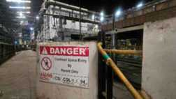
 | 29 | CGL1/CNF/ 05/GHA/HI | CGL-1 HBR Section | CGL-1 | Furnace Section | Indoor | YES | YES | YES | YES | NO | NO | YES | YES | GHA | HIGH | ✓ | X | X | ✓ | ✓ | X | X | X | ✓ | ✓ | X | ✓ | ✓ | ✓ | ✓ | ✓ | X | X | X | Flames, Mechanical machinery; Friction heating or sparks; Impact sparks; Hot surfaces; Electrical equipment and lights; Sparks from electrical equipment; Stray currents from electrical equipment; Electrostatic discharge sparks; Cutting and welding flames | AMNSI/AMNS PUNE/CGL 1 Confined Space- HBR Section /29 /SOP | L4-CGL 1 Prod-Confined Space-HBR section -HIRAC-29 | 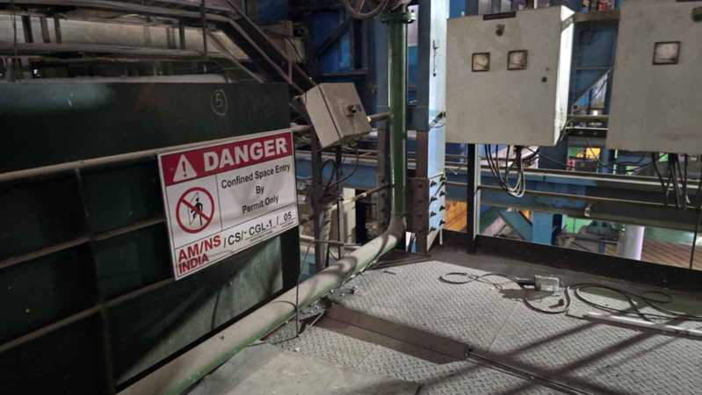
 | 30 | CGL1/CNF/ 06 | CGL-1 Pot Cellar | CGL-1 | Zn Pot Section | Indoor | YES | YES | YES | YES | NO | NO | YES | YES | GHA |  | ✓ | ✓ | X | ✓ | ✓ | ✓ | ✓ | ✓ | ✓ | ✓ | ✓ | ✓ | X | ✓ | ✓ | ✓ | X | X | X | FLames , Direct fire space , Hot surfaces; Hot process vessels; Mechanical machinery; Friction heating or sparks; Electrical equipment and lights; Sparks from electrical equipment; Stray currents from electrical equipment; Electrostatic discharge sparks; Cutting and welding flames | AMNSI/AMNS PUNE/CGL 1 Confined Space- Pot cellar /30 /SOP | L4-CGL 1 Prod-Confined Space-Pot Cellar -HIRAC-30 | 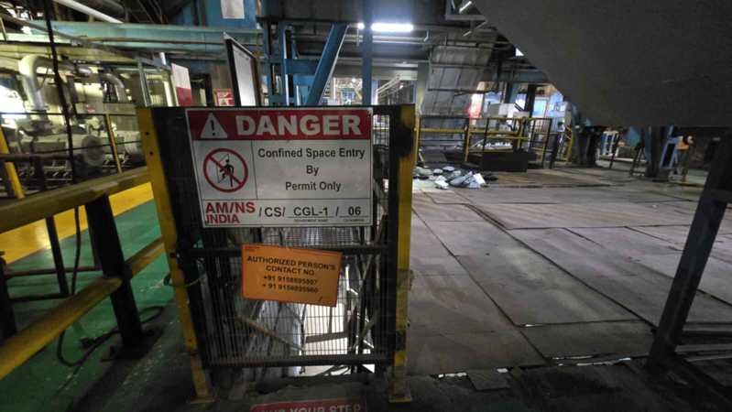
 | 31 | CGL1/CNF/ 10 | CGL-1 -Seam Welder Water Tank | CGL-1 | Entry Section | Indoor | YES | YES | YES | NO | YES | NO | NO | YES | NGH |  | X | X | X | ✓ | X | X | X | X | ✓ | ✓ | X | X | X | ✓ | ✓ | ✓ | X | X | X | Electrical equipment and lights; Sparks from electrical equipment; Stray currents from electrical equipment; Electrostatic discharge sparks; Mechanical machinery; Cutting and welding flames | AMNSI/AMNS PUNE/CGL 1 Confined Space- Seam Welder /31 /SOP | L4-CGL 1 Prod -Confined Space-Seam Welder Water Tank -HIRAC-31 | 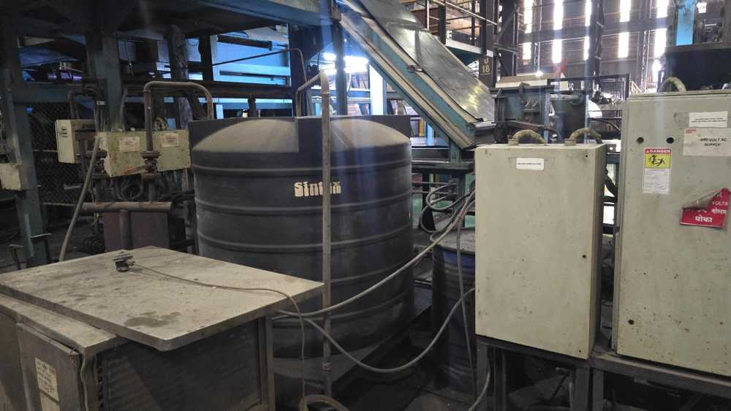
 | 32 | CGL1/CNF/ 11 | CGL-1 Washroom Tank | CGL-1 | Zn Pot Section | Indoor | YES | YES | YES | NO | YES | NO | NO | YES | NGH |  | X | X | X | ✓ | X | X | X | X | ✓ | ✓ | X | X | X | ✓ | ✓ | ✓ | X | X | X | Electrical equipment and lights; Sparks from electrical equipment; Stray currents from electrical equipment; Electrostatic discharge sparks; Mechanical machinery; Cutting and welding flames | AMNSI/AMNS PUNE/CGL 1 Confined Space- Washroom Tank /32 /SOP | L4-CGL 1 Prod -Confined Space-Washroom Tank-HIRAC-32 | 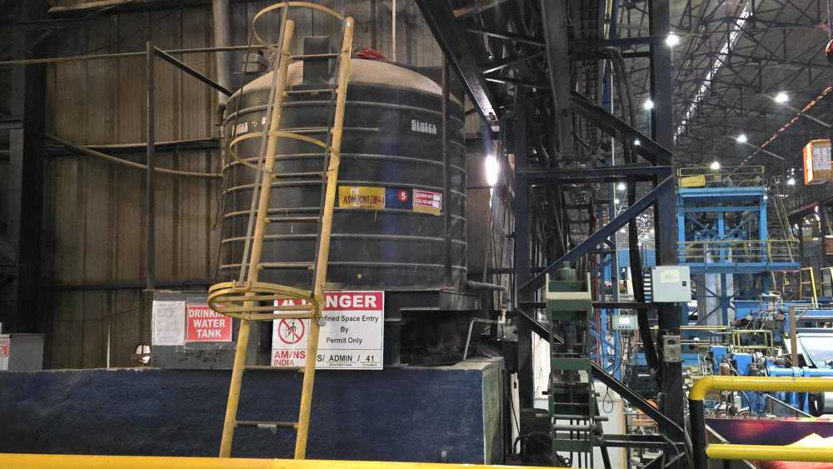
 | 33 | CGL2/CNF/ 1 | CGL-2 Degreasing Section | CGL-2 | Degreasing Section | Indoor | YES | YES | YES | YES | NO | NO | YES | YES | NGH |  | X | X | X | ✓ | X | X | X | X | ✓ | ✓ | X | X | X | ✓ | ✓ | ✓ | X | X | X | Electrical equipment and lights; Sparks from electrical equipment; Stray currents from electrical equipment; Electrostatic discharge sparks; Mechanical machinery; Cutting and welding flames | AMNSI/AMNS PUNE/CGL 2 Confined Space- Degreasing Section /33 /SOP | L4-CGL 2 Prod -Confined Space-Degreasing Section-HIRAC-33 | 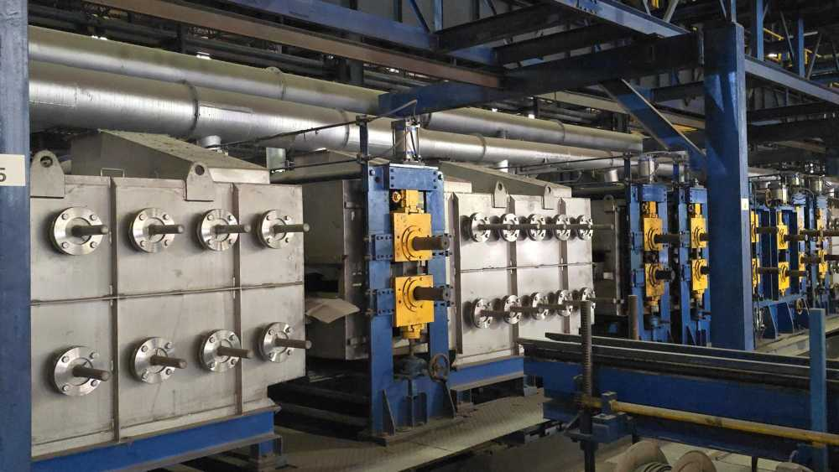
 | 34 | CGL2/CNF/ 3 | CGL-2 Furnace | CGL-2 | Furnace Section | Indoor | YES | YES | YES | YES | NO | NO | YES | YES | GHA |  | ✓ | ✓ | X | ✓ | ✓ | ✓ | ✓ | X | X | ✓ | ✓ | X | X | ✓ | ✓ | ✓ | X | X | X | Flames; Direct fired space and process heating; Hot surfaces; Heated process vessels such as dryers and furnaces; Hot process vessels; Electrical equipment and lights; Sparks from electrical equipment; Stray currents from electrical equipment; Electrostatic discharge sparks; Cutting and welding flames , Hot Process , Spontaneous Heating | AMNSI/AMNS PUNE/CGL 2 Confined Space- Furnace Section /34 /SOP | L4-CGL 2 Prod-Confined Space-Furnace section -HIRAC-34 | 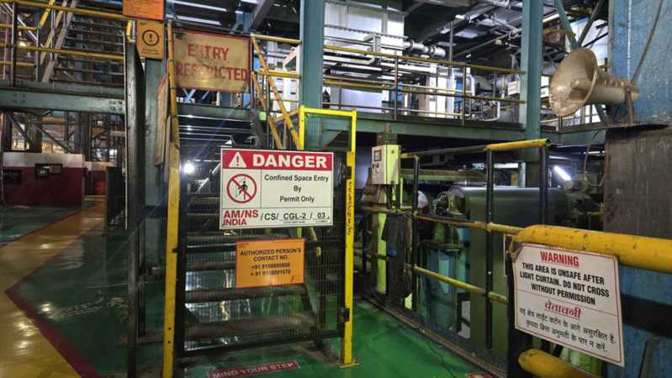
 | 35 | CGL2/CNF/ 4/GHA/HI | CGL-2 HBR Section | CGL-2 | Furnace Section | Indoor | YES | YES | YES | YES | NO | NO | YES | YES | GHA | HIGH | ✓ | X | X | ✓ | ✓ | X | X | X | ✓ | ✓ | X | ✓ | ✓ | ✓ | ✓ | ✓ | X | X | X | Flames, Mechanical machinery; Friction heating or sparks; Impact sparks; Hot surfaces; Electrical equipment and lights; Sparks from electrical equipment; Stray currents from electrical equipment; Electrostatic discharge sparks; Cutting and welding flames | AMNSI/AMNS PUNE/CGL 2 Confined Space- HBR Section /35 /SOP | L4-CGL 2 Prod-Confined Space-HBR section -HIRAC-35 | 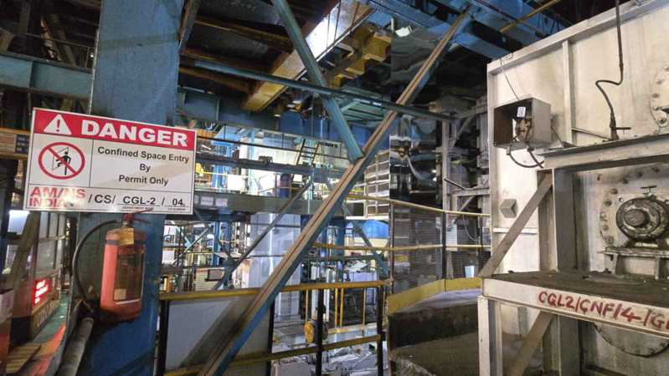
 | 36 | CGL2/CNF/ 5 | CGL-2 Pot Cellar | CGL-2 | Zn pot Section | Indoor | YES | YES | YES | YES | NO | NO | YES | YES | GHA | HIGH | X | X | X | ✓ | X | X | X | X | ✓ | ✓ | X | X | X | ✓ | ✓ | ✓ | X | X | X | Electrical equipment and lights; Sparks from electrical equipment; Stray currents from electrical equipment; Electrostatic discharge sparks; Mechanical machinery; Cutting and welding flames | AMNSI/AMNS PUNE/CGL 2 Confined Space- Pot Cellar /36 /SOP | L4-CGL 2 Prod-Confined Space-Pot Cellar -HIRAC-36 | 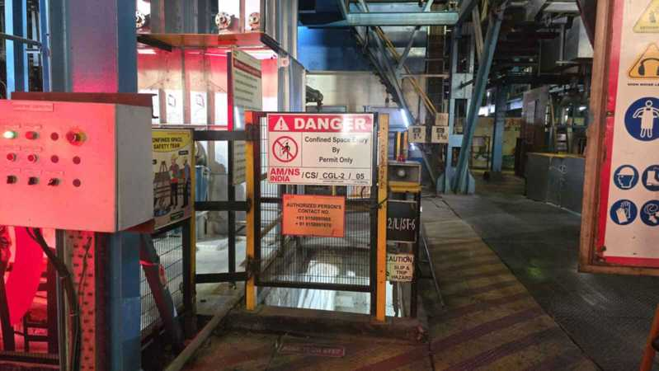
 | 37 | CGL2/CNF/ 7 | CGL-2 Chromatin Pit | CGL-2 | Chromatin Section | Indoor | YES | YES | YES | YES | NO | NO | NO | YES | NGH |  | X | X | X | ✓ | X | X | X | X | ✓ | ✓ | X | X | X | ✓ | ✓ | ✓ | X | X | X | Electrical equipment and lights; Sparks from electrical equipment; Stray currents from electrical equipment; Electrostatic discharge sparks; Mechanical machinery; Cutting and welding flames | AMNSI/AMNS PUNE/CGL 2 Confined Space- Chromatin Pit /37 /SOP | L4-CGL 2 Prod -Confined Space-Chromatin Pit -HIRAC-37 | 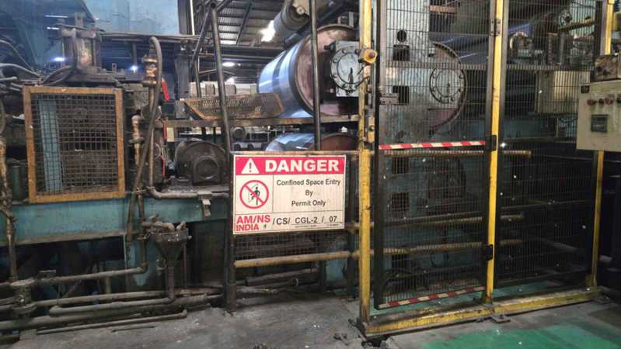
 | 38 | CGL2/CNF/ 8 | CGL-2 Hot Air Drier | CGL-2 | Chromatin Section | Indoor | YES | YES | YES | YES | NO | NO | YES | YES | NGH |  | X | X | X | ✓ | ✓ | ✓ | ✓ | X | X | ✓ | X | X | X | ✓ | ✓ | ✓ | X | X | X | Hot surfaces; Space heating equipment; Heated process vessels such as dryers and furnaces; Electrical equipment and lights; Sparks from electrical equipment; Stray currents from electrical equipment; Electrostatic discharge sparks; Cutting and welding flames | AMNSI/AMNS PUNE/CGL 2 Confined Space- Hot Air Drier /38 /SOP | L4-CGL 2 Prod -Confined Space- Hot Air Drier -HIRAC-38 | 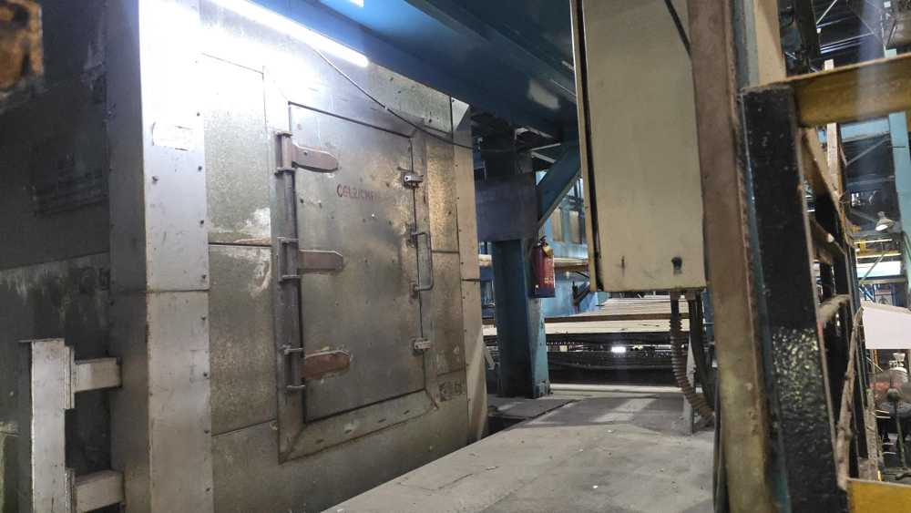
 | 39 | CGL2/CNF/ 11 | CGL-2 Washroom tank | CGL-2 | Exit Section | Indoor | YES | YES | YES | YES | NO | NO | NO | YES | NGH |  | X | X | X | ✓ | X | X | X | X | ✓ | ✓ | X | X | X | ✓ | ✓ | ✓ | X | X | X | Electrical equipment and lights; Sparks from electrical equipment; Stray currents from electrical equipment; Electrostatic discharge sparks; Mechanical machinery; Cutting and welding flames | AMNSI/AMNS PUNE/CGL 2 Confined Space- Washroom tank /39 /SOP | L4-CGL 2 Prod -Confined Space-Washroom Tank -HIRAC-39 | 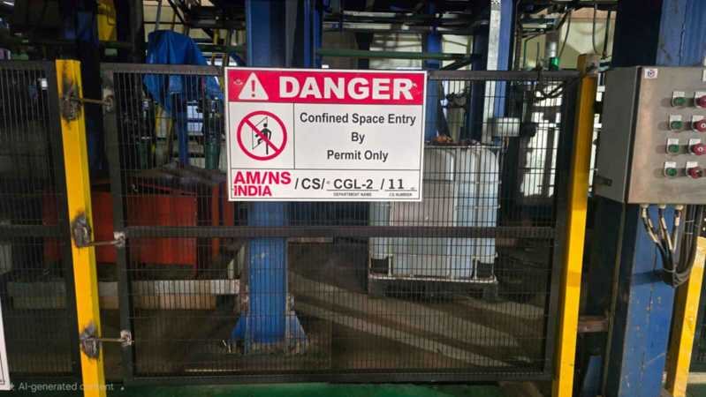
 | 40 | CGL2/CNF/ 12 | CGL-2 SPM - Water Tank | CGL-2 | SPM Section | Indoor | YES | YES | YES | YES | NO | NO | NO | YES | NGH |  | X | X | X | ✓ | X | X | X | X | ✓ | ✓ | X | X | X | ✓ | ✓ | ✓ | X | X | X | Electrical equipment and lights; Sparks from electrical equipment; Stray currents from electrical equipment; Electrostatic discharge sparks; Mechanical machinery; Cutting and welding flames | AMNSI/AMNS PUNE/CGL 2 Confined Space- Water Tank /40 /SOP | L4-CGL 2 Prod -Confined Space-SPM Water Tank -HIRAC-40 | 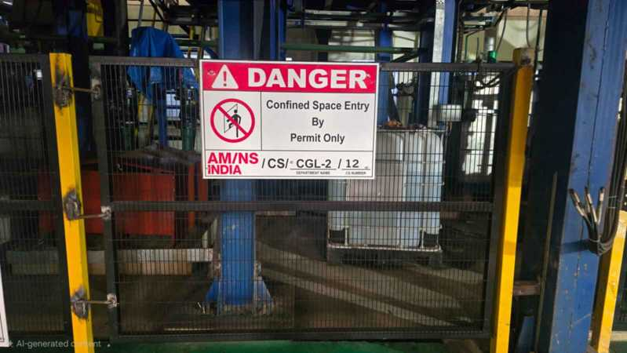
 | 41 | CGL2/CNF/ 29 | CGL-2 Degreasing - Alkali Tank -1 | CGL-2 | Degreasing Section | Indoor | YES | YES | YES | YES | NO | NO | YES | YES | GHA | LOW | X | X | X | ✓ | X | X | X | X | ✓ | ✓ | X | X | X | ✓ | ✓ | ✓ | X | X | X | Electrical equipment and lights; Sparks from electrical equipment; Stray currents from electrical equipment; Electrostatic discharge sparks; Mechanical machinery; Cutting and welding flames | AMNSI/AMNS PUNE/CGL 2 Confined Space- Degreasing Alkali tank-1 /41 /SOP | L4-CGL 2 Prod-Confined Space-Degreasing - Alkali tank 1 -HIRAC-41 | 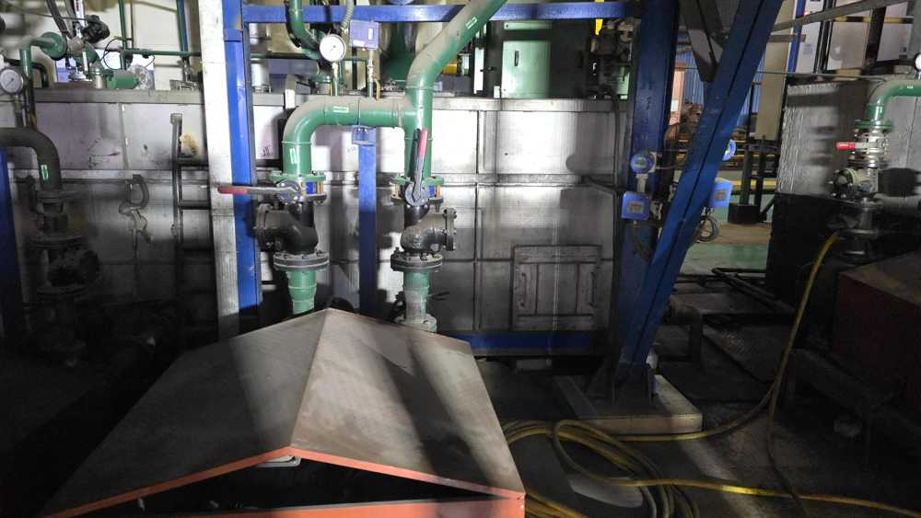
 | 42 | CGL2/CNF/ 30 | CGL-2 Degreasing - Alkali Tank -2 | CGL-2 | Degreasing Section | Indoor | YES | YES | YES | YES | NO | NO | YES | YES | GHA | LOW | X | X | X | ✓ | X | X | X | X | ✓ | ✓ | X | X | X | ✓ | ✓ | ✓ | X | X | X | Electrical equipment and lights; Sparks from electrical equipment; Stray currents from electrical equipment; Electrostatic discharge sparks; Mechanical machinery; Cutting and welding flames | AMNSI/AMNS PUNE/CGL 2 Confined Space- Degreasing Alkali tank -2 /42 /SOP | L4-CGL 2 Prod-Confined Space-Degreasing - Alkali tank 2 -HIRAC-42 | 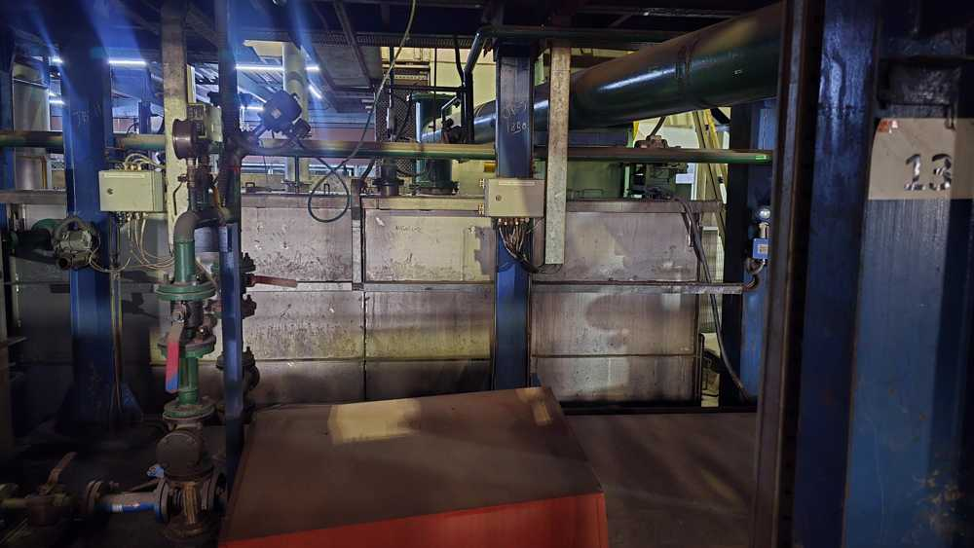
 | 43 | CGL2/CNF/ 31 | CGL-2 Degreasing - Rinse Tank-1 | CGL-2 | Degreasing Section | Indoor | YES | YES | YES | YES | NO | NO | YES | YES | NGH |  | X | X | X | ✓ | X | X | X | X | ✓ | ✓ | X | X | X | ✓ | ✓ | ✓ | X | X | X | Electrical equipment and lights; Sparks from electrical equipment; Stray currents from electrical equipment; Electrostatic discharge sparks; Mechanical machinery; Cutting and welding flames | AMNSI/AMNS PUNE/CGL 2 Confined Space- Degreasing Rinse tank-1 /43 /SOP | L4-CGL 2 Prod -Confined Space-Degreasing Rinse Tank 1 -HIRAC-43 | 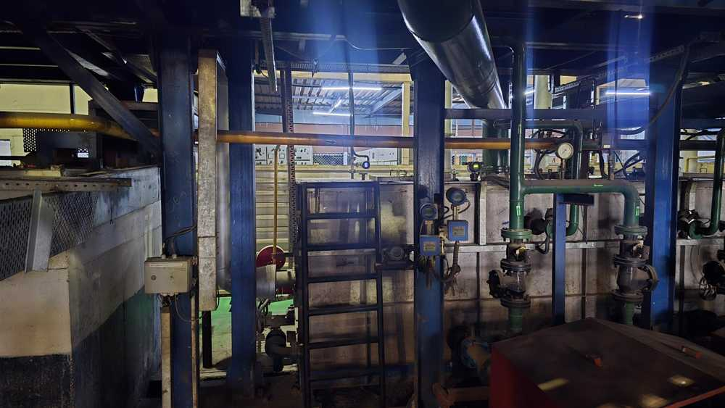
 | 44 | CGL2/CNF/ 32 | CGL-2 Degreasing - Rinse Tank-2 | CGL-2 | Degreasing Section | Indoor | YES | YES | YES | YES | NO | NO | YES | YES | NGH |  | X | X | X | ✓ | X | X | X | X | ✓ | ✓ | X | X | X | ✓ | ✓ | ✓ | X | X | X | Electrical equipment and lights; Sparks from electrical equipment; Stray currents from electrical equipment; Electrostatic discharge sparks; Mechanical machinery; Cutting and welding flames | AMNSI/AMNS PUNE/CGL 2 Confined Space- Degreasing Rinse tank-2 /44 /SOP | L4-CGL 2 Prod -Confined Space-Degreasing Rinse Tank 2 -HIRAC-44 | 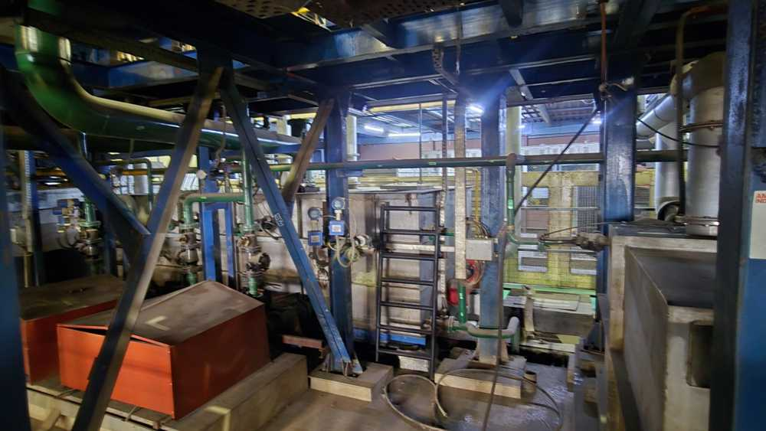
CCL | 45 | CCL1/CNF/02 | Degreasing tank no 204 | CCL-1 | Treatement section | Indoor | YES | YES | YES | YES | NO | NO | NO | YES | NGH |  | X | X | X | ✓ | X | X | X | X | ✓ | ✓ | X | X | X | ✓ | ✓ | ✓ | X | X | X | Electrical equipment and lights; Sparks from electrical equipment; Stray currents from electrical equipment; Electrostatic discharge sparks; Mechanical machinery; Cutting and welding flames | AMNSI/AMNS PUNE/CCL 1 Confined Space- Degreasing tank no.204 /45 /SOP | L4-CCL 1 Prod -Confined Space-Degreasing Rinse Tank 204 -HIRAC-45 | 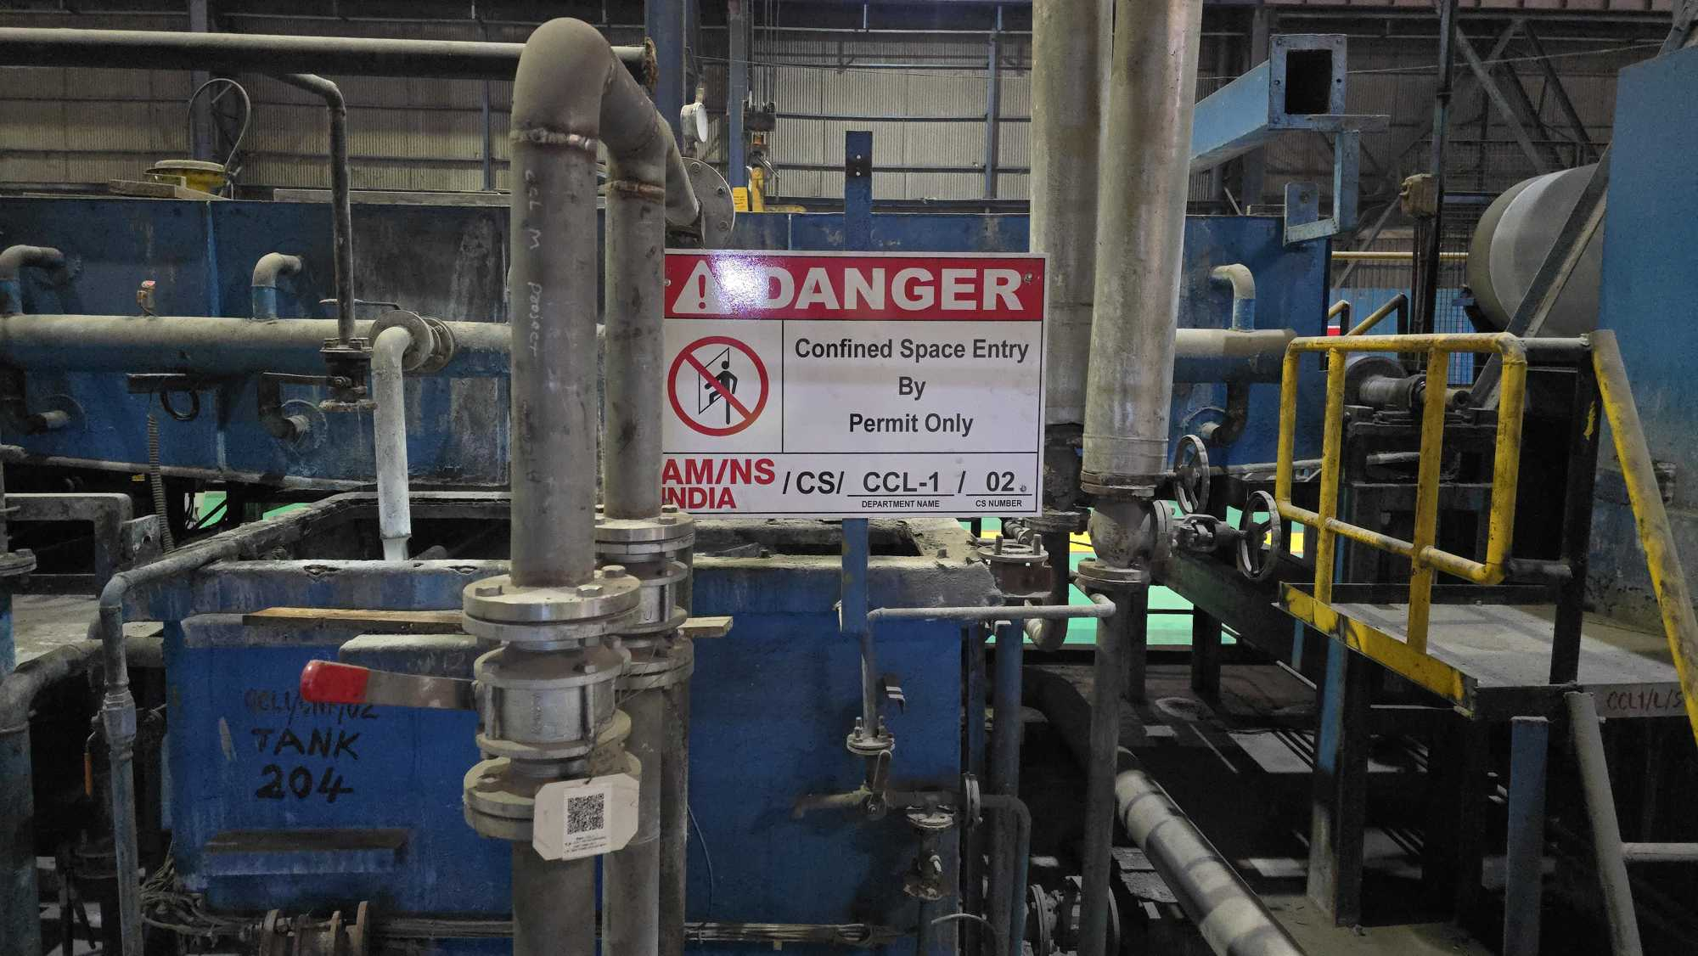
 | 46 | CCL1/CNF/03 | Degreasing tank no 212 | CCL-1 | Treatement section | Indoor | YES | YES | YES | YES | NO | NO | NO | YES | NGH |  | X | X | X | ✓ | X | X | X | X | ✓ | ✓ | X | X | X | ✓ | ✓ | ✓ | X | X | X | Electrical equipment and lights; Sparks from electrical equipment; Stray currents from electrical equipment; Electrostatic discharge sparks; Mechanical machinery; Cutting and welding flames | AMNSI/AMNS PUNE/CCL 1 Confined Space- Degreasing tank no 212 / 46 /SOP | L4-CCL 1 Prod -Confined Space-Degreasing Rinse Tank 212 -HIRAC-46 | 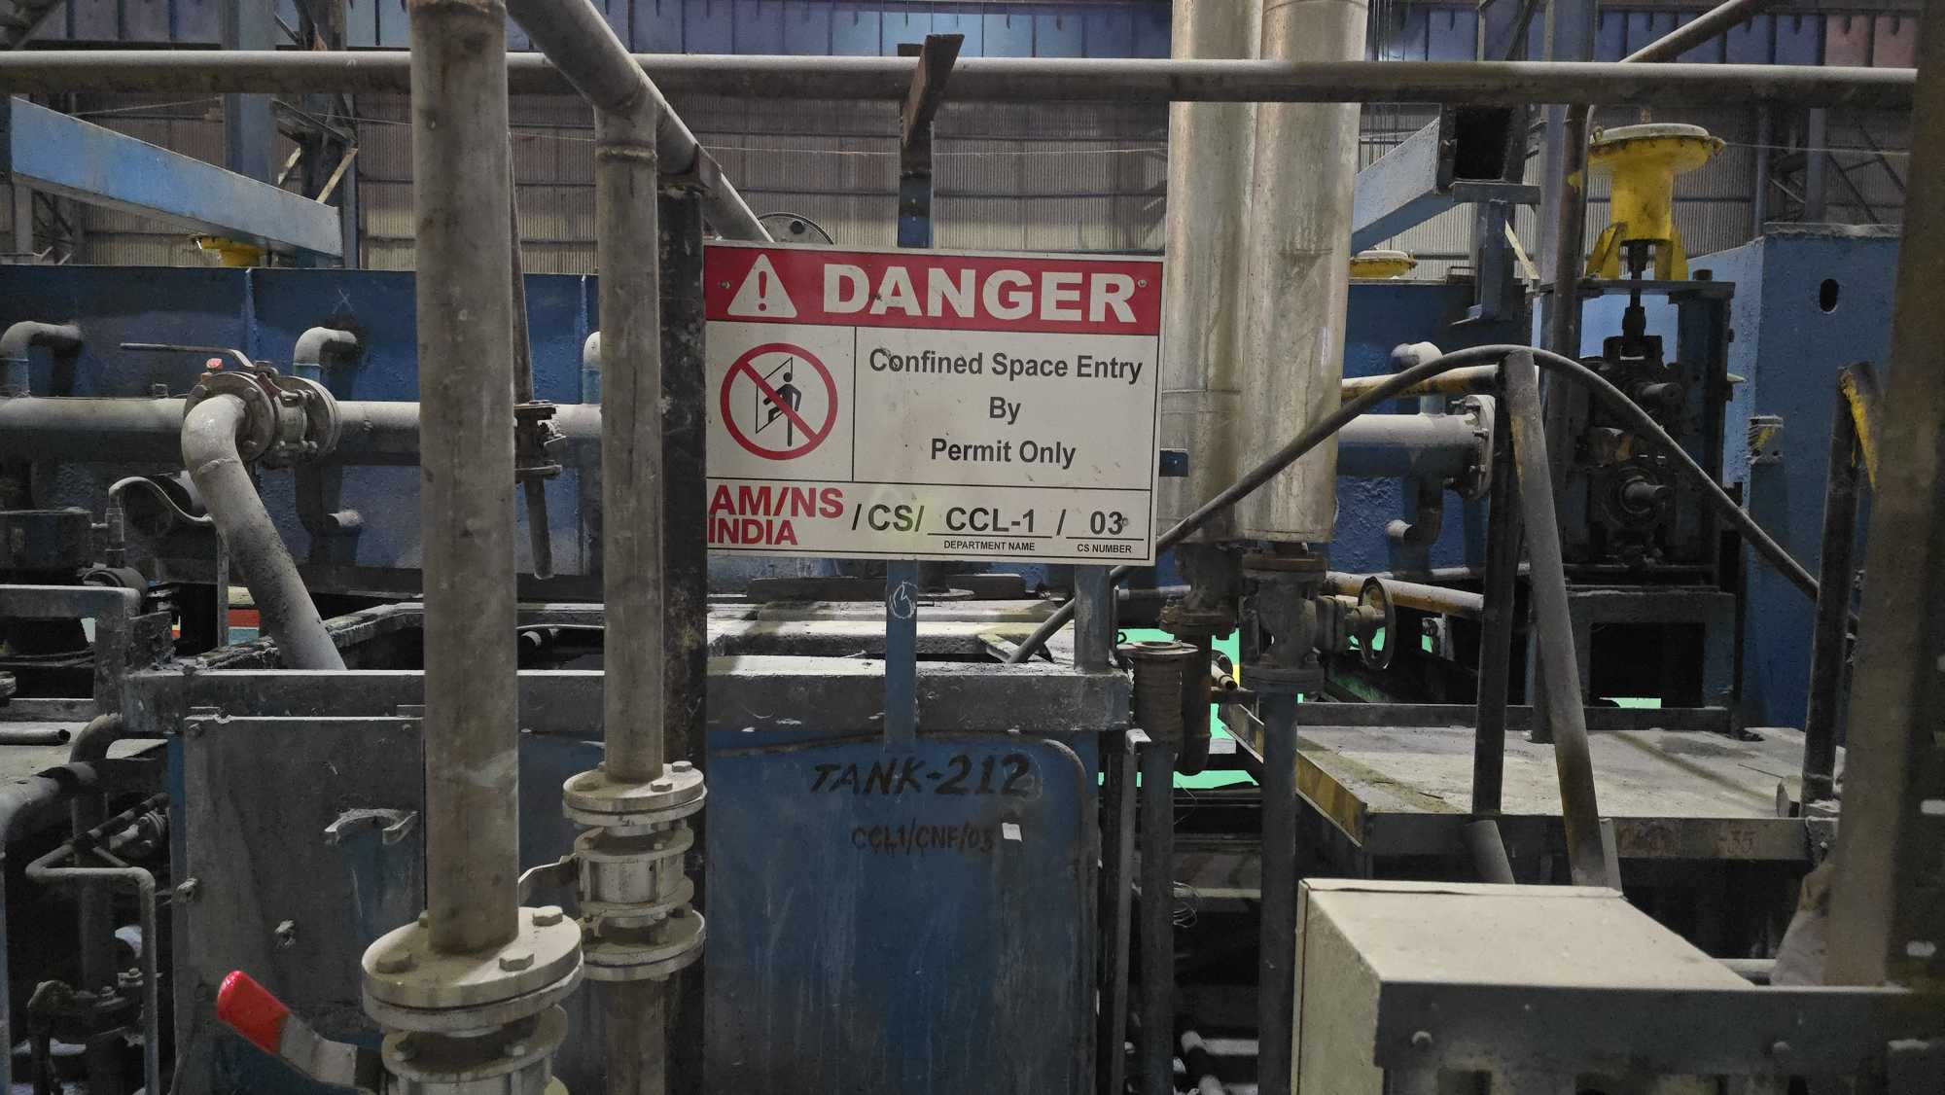
 | 47 | CCL1/CNF/04 | Hot rinisng tank no 213 | CCL-1 | Treatement section | Indoor | YES | YES | YES | YES | NO | NO | NO | YES | NGH |  | X | X | X | ✓ | X | X | X | X | ✓ | ✓ | X | X | X | ✓ | ✓ | ✓ | X | X | X | Electrical equipment and lights; Sparks from electrical equipment; Stray currents from electrical equipment; Electrostatic discharge sparks; Mechanical machinery; Cutting and welding flames | AMNSI/AMNS PUNE/CCL 1 Confined Space- Hot rinsing tank no 213 /47 /SOP | L4-CCL 1 Prod -Confined Space-Hot Rinsing Tank 213 -HIRAC-47 | 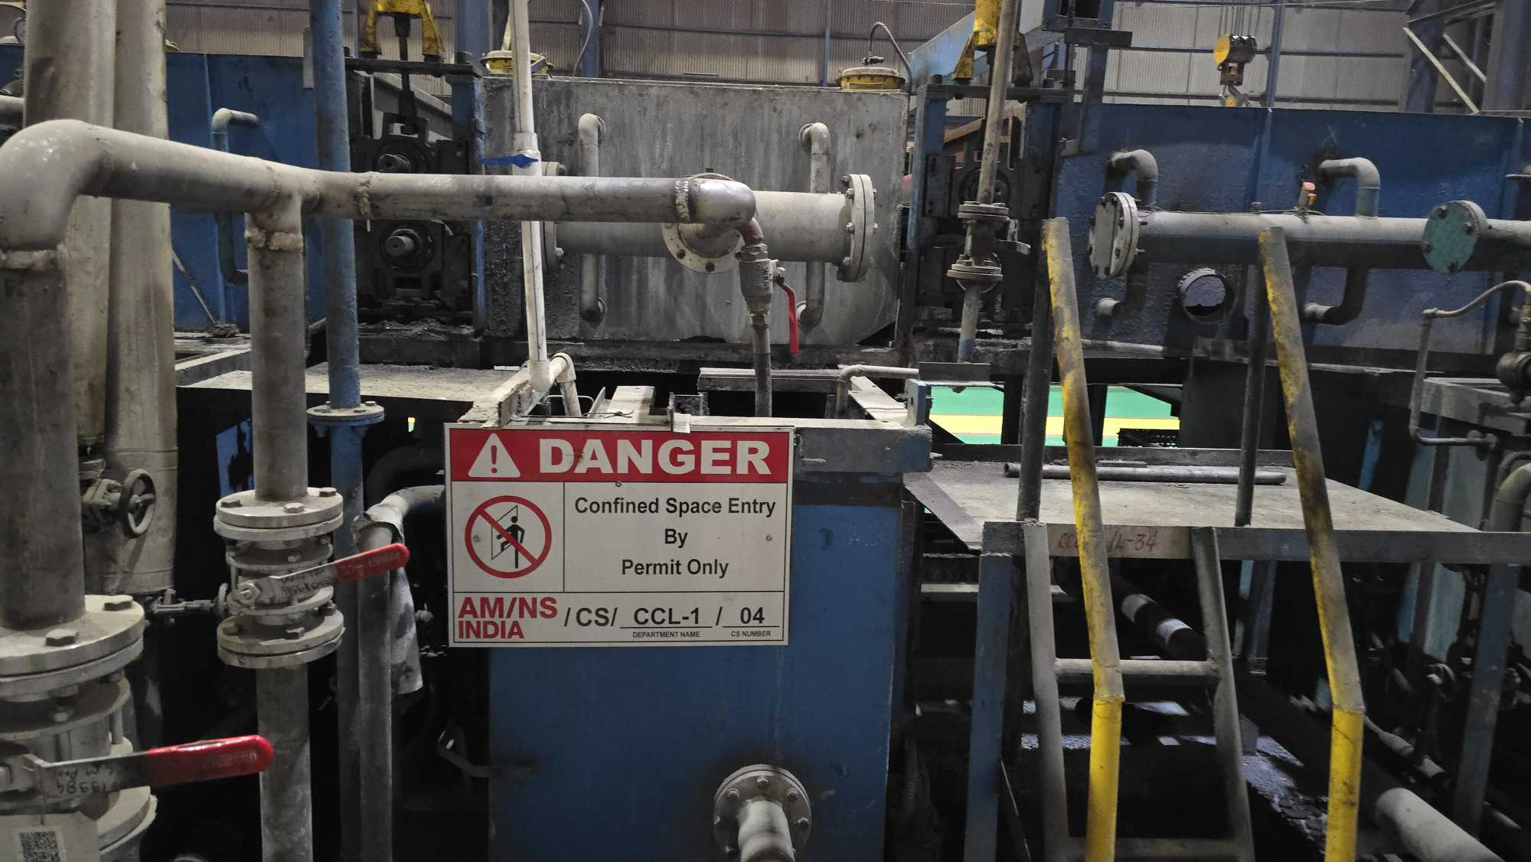
 | 48 | CCL1/CNF/05 | Cold rinisng tank no 214 | CCL-1 | Treatement section | Indoor | YES | YES | YES | YES | NO | NO | NO | YES | NGH |  | X | X | X | ✓ | X | X | X | X | ✓ | ✓ | X | X | X | ✓ | ✓ | ✓ | X | X | X | Electrical equipment and lights; Sparks from electrical equipment; Stray currents from electrical equipment; Electrostatic discharge sparks; Mechanical machinery; Cutting and welding flames | AMNSI/AMNS PUNE/CCL 1 Confined Space- Cold tank no-214 /48 /SOP | L4-CCL 1 Prod -Confined Space-Cold Rinsing Tank 214 -HIRAC-48 | 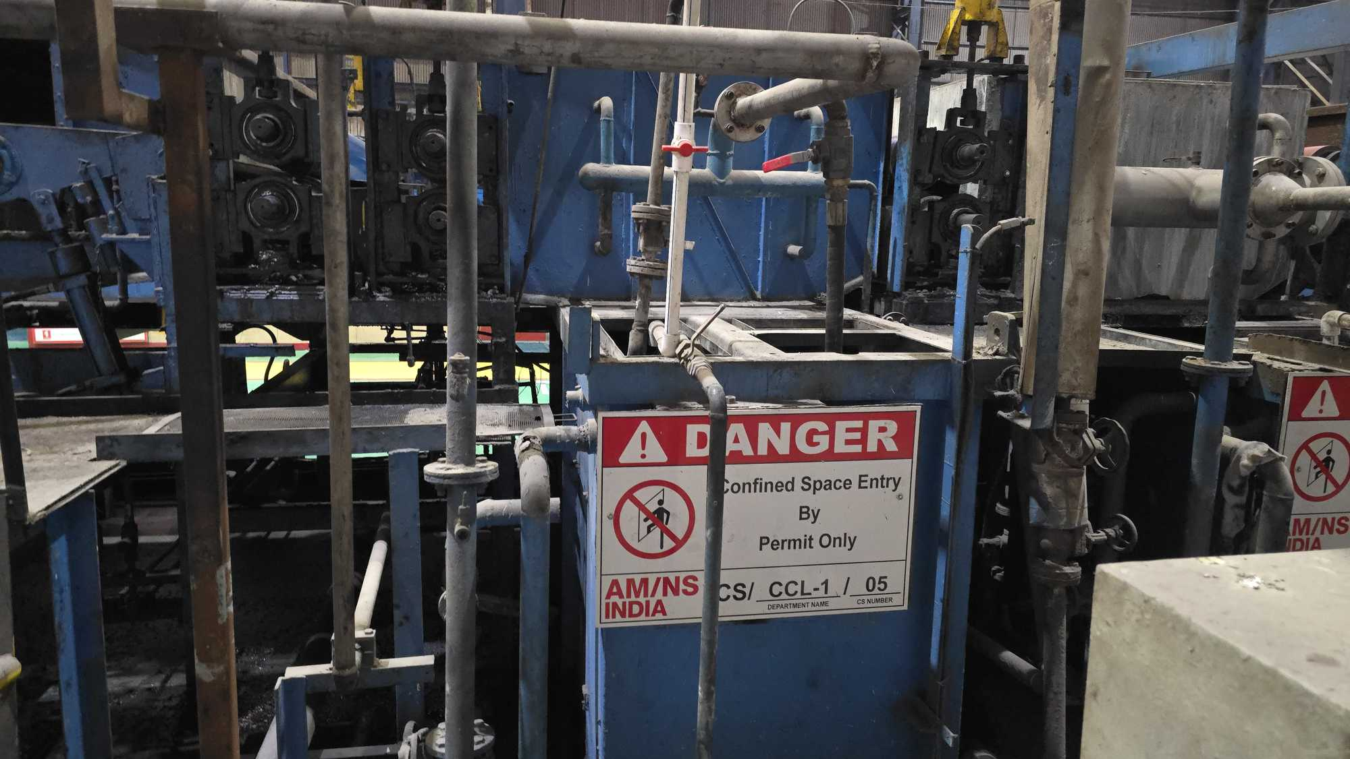
 | 49 | CCL1/CNF/06 | Cold rinisng tank no 216 | CCL-1 | Treatement section | Indoor | YES | YES | YES | YES | NO | NO | NO | YES | NGH |  | X | X | X | ✓ | X | X | X | X | ✓ | ✓ | X | X | X | ✓ | ✓ | ✓ | X | X | X | Electrical equipment and lights; Sparks from electrical equipment; Stray currents from electrical equipment; Electrostatic discharge sparks; Mechanical machinery; Cutting and welding flames | AMNSI/AMNS PUNE/CCL 1 Confined Space- Cold rinsing tank no 216 /49 /SOP | L4-CCL 1 Prod -Confined Space-Cold Rinsing Tank 216 -HIRAC-49 | 
 | 50 | CCL1/CNF/07/GHA/LOW | Prime oven | CCL-1 | Prime oven | Indoor | YES | YES | YES | YES | NO | NO | YES | YES | GHA | HIGH | X | X | X | ✓ | X | X | X | X | ✓ | ✓ | X | X | X | ✓ | ✓ | ✓ | X | X | X | Electrical equipment and lights; Sparks from electrical equipment; Stray currents from electrical equipment; Electrostatic discharge sparks; Mechanical machinery; Cutting and welding flames | AMNSI/AMNS PUNE/CCL 1 Confined Space- Prime Oven /50 /SOP | L4-CCL 1 Prod-Confined Space-Prime oven -HIRAC-50 | 
 | 51 | CCL1/CNF/13/GHA/LOW | Finish oven | CCL-1 | Finish oven | Indoor | YES | YES | YES | YES | NO | NO | YES | YES | GHA | HIGH | X | X | X | ✓ | X | X | X | X | ✓ | ✓ | X | X | X | ✓ | ✓ | ✓ | X | X | X | Electrical equipment and lights; Sparks from electrical equipment; Stray currents from electrical equipment; Electrostatic discharge sparks; Mechanical machinery; Cutting and welding flames | AMNSI/AMNS PUNE/CCL 1 Confined Space- Fininsh oven /51 /SOP | L4-CCL 1 Prod -Confined Space-Finish oven -HIRAC-51 | 
 | 52 | CCL1/CNF/20/GHA/LOW | Incinerator | CCL-1 | Incinerator | Indoor | YES | YES | YES | YES | NO | NO | YES | YES | GHA | HIGH | X | X | X | ✓ | X | X | X | X | ✓ | ✓ | X | X | X | ✓ | ✓ | ✓ | X | X | X | Electrical equipment and lights; Sparks from electrical equipment; Stray currents from electrical equipment; Electrostatic discharge sparks; Mechanical machinery; Cutting and welding flames | AMNSI/AMNS PUNE/CCL 1 Confined Space- Incinerator /52 /SOP | L4-CCL 1 Prod -Confined Space-Incinerator -HIRAC-52 | 
 | 53 | CCL1/CNF/23 | Under ground DM water tank | CCL-1 | Behind exit accumulator | Indoor | YES | YES | YES | YES | NO | NO | NO | YES | NGH |  | X | X | X | ✓ | X | X | X | X | ✓ | ✓ | X | X | X | ✓ | ✓ | ✓ | X | X | X | Electrical equipment and lights; Sparks from electrical equipment; Stray currents from electrical equipment; Electrostatic discharge sparks; Mechanical machinery; Cutting and welding flames | AMNSI/AMNS PUNE/CCL 1 Confined Space- Under Ground DM water Tank /53 /SOP | L4-CCL 1 Prod -Confined Space-Under ground DM water tank -HIRAC-53 | 
 | 54 | CCL2/CNF/03 | ALKALI-1 | CCL-2 | ALKALI-1-TANK BOTTOM SIDE | Indoor | YES | YES | YES | YES | NO | NO | YES | YES | NGH |  | X | X | X | ✓ | X | X | X | X | ✓ | ✓ | X | X | X | ✓ | ✓ | ✓ | X | X | X | Electrical equipment and lights; Sparks from electrical equipment; Stray currents from electrical equipment; Electrostatic discharge sparks; Mechanical machinery; Cutting and welding flames | AMNSI/AMNS PUNE/CCL 2 Confined Space- Alkali-1 /54 /SOP | L4-CCL 2 Prod -Confined Space-Alkali 1-HIRAC-54 | 
 | 55 | CCL2/CNF/04 | ALKALI-2 | CCL-2 | ALKALI-2-TANK BOTTOM SIDE | Indoor | YES | YES | YES | YES | NO | NO | YES | YES | NGH |  | X | X | X | ✓ | X | X | X | X | ✓ | ✓ | X | X | X | ✓ | ✓ | ✓ | X | X | X | Electrical equipment and lights; Sparks from electrical equipment; Stray currents from electrical equipment; Electrostatic discharge sparks; Mechanical machinery; Cutting and welding flames | AMNSI/AMNS PUNE/CCL 2 Confined Space- Alkali =2 / 55 /SOP | L4-CCL 2 Prod -Confined Space-Alkali 2-HIRAC-55 | 
 | 56 | CCL2/CNF/05 | cold water tank 1 | CCL-2 | cold water tank 1-TANK BOTTOM SIDE | Indoor | YES | YES | YES | YES | NO | NO | NO | YES | NGH |  | X | X | X | ✓ | X | X | X | X | ✓ | ✓ | X | X | X | ✓ | ✓ | ✓ | X | X | X | Electrical equipment and lights; Sparks from electrical equipment; Stray currents from electrical equipment; Electrostatic discharge sparks; Mechanical machinery; Cutting and welding flames | AMNSI/AMNS PUNE/CCL 2 Confined Space- Cold Water Tank-1 /56 /SOP | L4-CCL 2 Prod -Confined Space-Cold Water tank 1 -HIRAC-56 | 
 | 57 | CCL2/CNF/06 | cold water tank 2 | CCL-2 | cold water tank 2-TANK BOTTOM SIDE | Indoor | YES | YES | YES | YES | NO | NO | NO | YES | NGH |  | X | X | X | ✓ | X | X | X | X | ✓ | ✓ | X | X | X | ✓ | ✓ | ✓ | X | X | X | Electrical equipment and lights; Sparks from electrical equipment; Stray currents from electrical equipment; Electrostatic discharge sparks; Mechanical machinery; Cutting and welding flames | AMNSI/AMNS PUNE/CCL 2 Confined Space- Cold Water Tank -2 /57 /SOP | L4-CCL 2 Prod -Confined Space-Cold water Tank 2-HIRAC-57 | 
 | 58 | CCL2/CNF/07 | Hot water tank-1 | CCL-2 | Hot water tank-1-TANK BOTTOM SIDE | Indoor | YES | YES | YES | YES | NO | NO | NO | YES | NGH |  | X | X | X | ✓ | ✓ | X | ✓ | X | ✓ | ✓ | X | X | X | ✓ | ✓ | ✓ | X | X | X | Hot Surfaces, Hot Process Vessels Electrical equipment and lights; Sparks from electrical equipment; Stray currents from electrical equipment; Electrostatic discharge sparks; Mechanical machinery; Cutting and welding flames | AMNSI/AMNS PUNE/CCL 2 Confined Space- Hot Water Tank-1 /58 /SOP | L4-CCL 2 Prod -Confined Space-Hot water Tank 1-HIRAC-58 | 
 | 59 | CCL2/CNF/08/GHA/LOW | chemical oven | CCL-2 | chemical oven | Indoor | YES | YES | YES | YES | NO | NO | YES | YES | GHA | HIGH | ✓ | ✓ | X | ✓ | ✓ | ✓ | ✓ | ✓ | X | X | ✓ | X | X | ✓ | ✓ | ✓ | X | X | X | Flame ,Hot surfaces; Space heating equipment; Heated process vessels such as dryers and furnaces; Hot process vessels; Electrical equipment and lights; Sparks from electrical equipment; Stray currents from electrical equipment; Electrostatic discharge sparks; Cutting and welding flames | AMNSI/AMNS PUNE/CCL 2 Confined Space- Cold Chemical Oven /59 /SOP | L4-CCL 2 Prod -Confined Space-Chemical Oven -HIRAC-59 | 
 | 60 | CCL2/CNF/10/GHA/LOW | Finish Oven | CCL-2 | Finish Oven | Indoor | YES | YES | YES | YES | NO | NO | YES | YES | GHA | HIGH | ✓ | ✓ | X | ✓ | ✓ | ✓ | ✓ | ✓ | X | X | ✓ | X | X | ✓ | ✓ | ✓ | X | X | X | Flame ,Hot surfaces; Space heating equipment; Heated process vessels such as dryers and furnaces; Hot process vessels; Electrical equipment and lights; Sparks from electrical equipment; Stray currents from electrical equipment; Electrostatic discharge sparks; Cutting and welding flames | AMNSI/AMNS PUNE/CCL 2 Confined Space- Finish oven /60/SOP | L4-CCL 2 Prod -Confined Space-Finish Oven -HIRAC-60 | 
 | 61 | CCL2/CNF/16/GHA/LOW | Prime oven | CCL-2 | Prime Oven | Indoor | YES | YES | YES | YES | NO | NO | YES | YES | GHA | HIGH | ✓ | ✓ | X | ✓ | ✓ | ✓ | ✓ | ✓ | X | X | ✓ | X | X | ✓ | ✓ | ✓ | X | X | X | Flame ,Hot surfaces; Space heating equipment; Heated process vessels such as dryers and furnaces; Hot process vessels; Electrical equipment and lights; Sparks from electrical equipment; Stray currents from electrical equipment; Electrostatic discharge sparks; Cutting and welding flames | AMNSI/AMNS PUNE/CCL 2 Confined Space- Prime oven /61 /SOP | L4-CCL 2 Prod -Confined Space-Prime Oven -HIRAC-61 | 
 | 62 | CCL2/CNF/23/GHA/LOW | RTO -DUCT CELLAR-CCL2 AREA | CCL-2 | RTO | Indoor | YES | YES | YES | YES | NO | NO | YES | YES | GHA | LOW | ✓ | ✓ | X | ✓ | ✓ | ✓ | ✓ | ✓ | X | X | ✓ | X | X | ✓ | ✓ | ✓ | X | X | X | Flame ,Hot surfaces; Space heating equipment; Heated process vessels such as dryers and furnaces; Hot process vessels; Electrical equipment and lights; Sparks from electrical equipment; Stray currents from electrical equipment; Electrostatic discharge sparks; Cutting and welding flames | AMNSI/AMNS PUNE/CCL 2 Confined Space- RTO-Duct Cellar / 62 /SOP | L4-CCL 2 Prod -Confined Space-RTO Duct Cellar -HIRAC-62 | 
 | 63 | CCL2/CNF/27/GHA/LOW | HEAT EXCHANGER UNIT | CCL-2 | HEAT EXCHANGER UNIT | Indoor | YES | YES | YES | YES | NO | NO | NO | YES | GHA | LOW | ✓ | ✓ | X | ✓ | ✓ | ✓ | ✓ | ✓ | X | X | ✓ | X | X | ✓ | ✓ | ✓ | X | X | X | Flame ,Hot surfaces; Space heating equipment; Heated process vessels such as dryers and furnaces; Hot process vessels; Electrical equipment and lights; Sparks from electrical equipment; Stray currents from electrical equipment; Electrostatic discharge sparks; Cutting and welding flames | AMNSI/AMNS PUNE/CCL 2 Confined Space- Heat Exchanger unit /63 /SOP | L4-CCL 2 Prod -Confined Space-Heat Exchanger unit -HIRAC-63 | 
 | 64 | CCL2/CNF/28/GHA/LOW | 500 KW MAN HOLE | CCL-2 | 500 KW MAN HOLE | Indoor | YES | YES | YES | YES | NO | NO | NO | YES | GHA | LOW | ✓ | ✓ | X | ✓ | ✓ | ✓ | ✓ | ✓ | X | X | ✓ | X | X | ✓ | ✓ | ✓ | X | X | X | Flame ,Hot surfaces; Space heating equipment; Heated process vessels such as dryers and furnaces; Hot process vessels; Electrical equipment and lights; Sparks from electrical equipment; Stray currents from electrical equipment; Electrostatic discharge sparks; Cutting and welding flames | AMNSI/AMNS PUNE/CCL 2 Confined Space- 500KW Man Hole /64 /SOP | L4-CCL 2 Prod -Confined Space-500 KW MAN HOLE -HIRAC- 64 | 
 | 65 | CCL2/CNF/29/GHA/LOW | UPSIDE AREA AIR FILTER UNIT-1 | CCL-2 | UPSIDE AREA AIR FILTER UNIT-1 | Indoor | YES | YES | YES | YES | NO | NO | NO | YES | GHA | LOW | ✓ | ✓ | X | ✓ | ✓ | ✓ | ✓ | ✓ | X | X | ✓ | X | X | ✓ | ✓ | ✓ | X | X | X | Flame ,Hot surfaces; Space heating equipment; Heated process vessels such as dryers and furnaces; Hot process vessels; Electrical equipment and lights; Sparks from electrical equipment; Stray currents from electrical equipment; Electrostatic discharge sparks; Cutting and welding flames | AMNSI/AMNS PUNE/CCL 2 Confined Space- Upside Area air filter unit-1 /65 /SOP | L4-CCL 2 Prod -Confined Space-Upside area air filter unit 1 -HIRAC-65 | 
 | 66 | CCL2/CNF/31/GHA/LOW | HOT AIR GENERATOR | CCL-2 | HOT AIR GENERATOR MAN HOLE | Indoor | YES | YES | YES | YES | NO | NO | YES | YES | GHA | LOW | ✓ | ✓ | X | ✓ | ✓ | ✓ | ✓ | ✓ | X | X | ✓ | X | X | ✓ | ✓ | ✓ | X | X | X | Flame ,Hot surfaces; Space heating equipment; Heated process vessels such as dryers and furnaces; Hot process vessels; Electrical equipment and lights; Sparks from electrical equipment; Stray currents from electrical equipment; Electrostatic discharge sparks; Cutting and welding flames | AMNSI/AMNS PUNE/CCL 2 Confined Space- Hot Air Generator /66 /SOP | L4-CCL 2 Prod-Confined Space-Hot Air Generator -HIRAC-66 | 
 | 67 | CCL2/CNF/33 | Finish water quench tank | CCL-2 | Finish water quench | Indoor | YES | YES | YES | YES | NO | NO | NO | YES | NGH |  | ✓ | ✓ | X | ✓ | ✓ | ✓ | ✓ | ✓ | X | X | ✓ | X | X | ✓ | ✓ | ✓ | X | X | X | Flame ,Hot surfaces; Space heating equipment; Heated process vessels such as dryers and furnaces; Hot process vessels; Electrical equipment and lights; Sparks from electrical equipment; Stray currents from electrical equipment; Electrostatic discharge sparks; Cutting and welding flames | AMNSI/AMNS PUNE/CCL 2 Confined Space- Finish Water Quench tank /67 /SOP | L4-CCL 2 Prod -Confined Space-Finish water quench tank-HIRAC-67 | 
 | 68 | CCL2/CNF/34 | Prime water quench tank | CCL-2 | Prime water quench | Indoor | YES | YES | YES | YES | NO | NO | NO | YES | NGH |  | ✓ | ✓ | X | ✓ | ✓ | ✓ | ✓ | ✓ | X | X | ✓ | X | X | ✓ | ✓ | ✓ | X | X | X | Flame ,Hot surfaces; Space heating equipment; Heated process vessels such as dryers and furnaces; Hot process vessels; Electrical equipment and lights; Sparks from electrical equipment; Stray currents from electrical equipment; Electrostatic discharge sparks; Cutting and welding flames | AMNSI/AMNS PUNE/CCL 2 Confined Space- Prime Water quench tank /68 /SOP | L4-CCL 2 Prod -Confined Space-Prime water quench tank-HIRAC-68 | 
UTILITY | 69 | UTY/CNF/01/GHA/HI | Propane tank No.1 | PROPANE YARD | UTILITY | Indoor | YES | YES | YES | YES | NO | NO | YES | YES | GHA | HIGH | ✓ | ✓ | X | ✓ | ✓ | ✓ | ✓ | ✓ | X | X | ✓ | X | X | ✓ | ✓ | ✓ | X | X | X | Flame ,Hot surfaces; Space heating equipment; Heated process vessels such as dryers and furnaces; Hot process vessels; Electrical equipment and lights; Sparks from electrical equipment; Stray currents from electrical equipment; Electrostatic discharge sparks; Cutting and welding flames | AMNSI/AMNS PUNE/Utility Confined Space- Propane tank-1 /69 /SOP | L4-Utility -Confined Space- Propane Tank 1-HIRAC-69 | 
 | 70 | UTY/CNF/02/GHA/HI | Propane tank No. 2 | PROFILE | UTILITY | Indoor | YES | YES | YES | YES | NO | NO | YES | YES | GHA | HIGH | ✓ | ✓ | X | ✓ | ✓ | ✓ | ✓ | ✓ | X | X | ✓ | X | X | ✓ | ✓ | ✓ | X | X | X | Flame ,Hot surfaces; Space heating equipment; Heated process vessels such as dryers and furnaces; Hot process vessels; Electrical equipment and lights; Sparks from electrical equipment; Stray currents from electrical equipment; Electrostatic discharge sparks; Cutting and welding flames | AMNSI/AMNS PUNE/Utility Confined Space- Propane tank-2 /70 /SOP | L4-Utility -Confined Space- Propane Tank 2-HIRAC-70 | 
 | 71 | UTY/CNF/08/GHA/HI | Boiler house | BOILER HOUSE | UTILITY | Indoor | YES | YES | YES | YES | NO | NO | YES | YES | GHA | HIGH | ✓ | ✓ | X | ✓ | ✓ | ✓ | ✓ | ✓ | X | X | ✓ | X | X | ✓ | ✓ | ✓ | X | X | X | Flame ,Hot surfaces; Space heating equipment; Heated process vessels such as dryers and furnaces; Hot process vessels; Electrical equipment and lights; Sparks from electrical equipment; Stray currents from electrical equipment; Electrostatic discharge sparks; Cutting and welding flames | AMNSI/AMNS PUNE/Utility Confined Space- Boiler House /71 /SOP | L4-Utility -Confined Space- Boiler House-HIRAC-71 | 
 | 72 | UTY/CNF/09/MED | CRM Pipe line treanch | CRM PIPE LINE TRENCH | UTILITY | Indoor | YES | YES | YES | NO | NO | NO | YES | YES | NGH |  | ✓ | ✓ | X | ✓ | ✓ | ✓ | ✓ | ✓ | X | X | ✓ | X | X | ✓ | ✓ | ✓ | X | X | X | Flame ,Hot surfaces; Space heating equipment; Heated process vessels such as dryers and furnaces; Hot process vessels; Electrical equipment and lights; Sparks from electrical equipment; Stray currents from electrical equipment; Electrostatic discharge sparks; Cutting and welding flames | AMNSI/AMNS PUNE/Utility Confined Space- CRM Pipe line trench /72 /SOP | L4-Utility -Confined Space-CRM pipeline trench -HIRAC-72 | 
 | 73 | UTY/CNF/25/MED | Drinking water storage tank | RO PLANT | UTILITY | Indoor | YES | YES | YES | YES | NO | NO | NO | YES | NGH |  | X | X | X | ✓ | X | X | X | X | ✓ | ✓ | X | X | X | ✓ | ✓ | ✓ | X | X | X | Electrical equipment and lights; Sparks from electrical equipment; Stray currents from electrical equipment; Electrostatic discharge sparks; Mechanical machinery; Cutting and welding flames | AMNSI/AMNS PUNE/Utility Confined Space- Drinking water storage tank /73 /SOP | L4-Utility-Confined Space-Drinking water Storage tank -HIRAC-73 | 
 | 74 | UTY/CNF/32/MED | ZLD-Clerifier Water tank | ZLD plant | UTILITY | Indoor | YES | YES | YES | YES | NO | NO | NO | YES | NGH |  | X | X | X | ✓ | X | X | X | X | ✓ | ✓ | X | X | X | ✓ | ✓ | ✓ | X | X | X | Electrical equipment and lights; Sparks from electrical equipment; Stray currents from electrical equipment; Electrostatic discharge sparks; Mechanical machinery; Cutting and welding flames | AMNSI/AMNS PUNE/Utility Confined Space- ZLD-Clarifier water tank /74 /SOP | L4-Utility-Confined Space-ZLD-Clarifier water tank -HIRAC-74 | 
 | 75 | UTY/CNF/41/MED | HRSCC -Reject buffer sump tank | R.O & ZLD plant | UTILITY | Indoor | YES | YES | YES | YES | NO | NO | NO | YES | NGH |  | X | X | X | ✓ | X | X | X | X | ✓ | ✓ | X | X | X | ✓ | ✓ | ✓ | X | X | X | Electrical equipment and lights; Sparks from electrical equipment; Stray currents from electrical equipment; Electrostatic discharge sparks; Mechanical machinery; Cutting and welding flames | AMNSI/AMNS PUNE/Utility Confined Space- HRSCC - Reject Buffer Sump tank /75 /SOP | L4-Utility-Confined Space-HRSCC Reject buffer Sump Tank -HIRAC-75 | 
 | 76 | UTY/CNF/42/MED | R.O -01 Reject tank | ZLD plant | UTILITY | Indoor | YES | YES | YES | YES | NO | NO | NO | YES | NGH |  | X | X | X | ✓ | X | X | X | X | ✓ | ✓ | X | X | X | ✓ | ✓ | ✓ | X | X | X | Electrical equipment and lights; Sparks from electrical equipment; Stray currents from electrical equipment; Electrostatic discharge sparks; Mechanical machinery; Cutting and welding flames | AMNSI/AMNS PUNE/Utility Confined Space- Ro 01 Reject Tank /76 /SOP | L4-Utility-Confined Space-RO-1 Reject Tank ZLD-HIRAC-76 | 
 | 77 | UTY/CNF/43/MED | R.O -02 Reject tank | ZLD plant | UTILITY | Indoor | YES | YES | YES | YES | NO | NO | NO | YES | NGH |  | X | X | X | ✓ | X | X | X | X | ✓ | ✓ | X | X | X | ✓ | ✓ | ✓ | X | X | X | Electrical equipment and lights; Sparks from electrical equipment; Stray currents from electrical equipment; Electrostatic discharge sparks; Mechanical machinery; Cutting and welding flames | AMNSI/AMNS PUNE/Utility Confined Space- RO 02 reject Tank /77 /SOP | L4-Utility-Confined Space-RO-2 Reject Tank ZLD-HIRAC-77 | 
 | 78 | UTY/CNF/44/LOW | Final permeate water tank | ZLD plant | UTILITY | Indoor | YES | YES | YES | YES | NO | NO | NO | YES | NGH |  | X | X | X | ✓ | X | X | X | X | ✓ | ✓ | X | X | X | ✓ | ✓ | ✓ | X | X | X | Electrical equipment and lights; Sparks from electrical equipment; Stray currents from electrical equipment; Electrostatic discharge sparks; Mechanical machinery; Cutting and welding flames | AMNSI/AMNS PUNE/Utility Confined Space- Final Permeate water tank /78 /SOP | L4-Utility-Confined Space-Final permeate water tank ZLD-HIRAC-78 | 
 | 79 | UTY/CNF/45/MED | ZLD feed tank | ZLD plant | UTILITY | Indoor | YES | YES | YES | YES | NO | NO | NO | YES | NGH |  | X | X | X | ✓ | X | X | X | X | ✓ | ✓ | X | X | X | ✓ | ✓ | ✓ | X | X | X | Electrical equipment and lights; Sparks from electrical equipment; Stray currents from electrical equipment; Electrostatic discharge sparks; Mechanical machinery; Cutting and welding flames | AMNSI/AMNS PUNE/Utility Confined Space- ZLD feed tank /79 /SOP | L4-Utility-Confined Space-ZLD Feed Tank -HIRAC-79 | 
 | 80 | UTY/CNF/49/MED | UF treated water tank | R.O plant | UTILITY | Indoor | YES | YES | YES | YES | NO | NO | NO | YES | NGH |  | X | X | X | ✓ | X | X | X | X | ✓ | ✓ | X | X | X | ✓ | ✓ | ✓ | X | X | X | Electrical equipment and lights; Sparks from electrical equipment; Stray currents from electrical equipment; Electrostatic discharge sparks; Mechanical machinery; Cutting and welding flames | AMNSI/AMNS PUNE/Utility Confined Space- UF treated water tank /80 /SOP | L4-Utility-Confined Space- UF Treated water tank -HIRAC-80 | 
ADMIN | 81 | ADM/CNF/02/GHA/HI | Tank | Canteen | Admin | Indoor | YES | YES | YES | YES | NO | NO | NO | YES | GHA | HIGH | X | X | X | ✓ | X | X | X | X | ✓ | ✓ | X | X | X | ✓ | ✓ | ✓ | X | X | X | Electrical equipment and lights; Sparks from electrical equipment; Stray currents from electrical equipment; Electrostatic discharge sparks; Mechanical machinery; Cutting and welding flames | AMNSI/AMNS PUNE/Admin Confined Space- Canteen Tank /81 /SOP | L4-Admin-Confined Space-Canteen Tank -HIRAC-81 | 
 | 82 | ADM/CNF/05 /GHA/HI | Chamber | Project | Admin | Indoor | YES | YES | YES | YES | NO | NO | YES | YES | GHA | HIGH | X | X | X | ✓ | X | X | X | X | ✓ | ✓ | X | X | X | ✓ | ✓ | ✓ | X | X | X | Electrical equipment and lights; Sparks from electrical equipment; Stray currents from electrical equipment; Electrostatic discharge sparks; Mechanical machinery; Cutting and welding flames | AMNSI/AMNS PUNE/Admin Confined Space- Project Chamber /82 /SOP | L4-Admin-Confined Space-Project off Chamber -HIRAC-82 | 
 | 83 | ADM/CNF/06/GHA/HI | Chamber | Society | Admin | Indoor | YES | YES | YES | YES | NO | NO | YES | YES | GHA | HIGH | X | X | X | ✓ | X | X | X | X | ✓ | ✓ | X | X | X | ✓ | ✓ | ✓ | X | X | X | Electrical equipment and lights; Sparks from electrical equipment; Stray currents from electrical equipment; Electrostatic discharge sparks; Mechanical machinery; Cutting and welding flames | AMNSI/AMNS PUNE/Admin Confined Space- Society Chamber /83 /SOP | L4-Admin-Confined Space- Society Chamber -HIRAC-83 | 
 | 84 | ADM/CNF/07/GHA/HI | Tank | C.P.P.L Office | Admin | Indoor | YES | YES | YES | YES | NO | NO | NO | YES | GHA | HIGH | X | X | X | ✓ | X | X | X | X | ✓ | ✓ | X | X | X | ✓ | ✓ | ✓ | X | X | X | Electrical equipment and lights; Sparks from electrical equipment; Stray currents from electrical equipment; Electrostatic discharge sparks; Mechanical machinery; Cutting and welding flames | AMNSI/AMNS PUNE/Admin Confined Space- C P P L office Tank /84 /SOP | L4-Admin-Confined Space-CPPL offc Tank -HIRAC-84 | 
 | 85 | ADM/CNF/08/GHA/HI | Chamber | 8 ACR Gate | Admin | Indoor | YES | YES | YES | YES | NO | NO | YES | YES | GHA | HIGH | X | X | X | ✓ | X | X | X | X | ✓ | ✓ | X | X | X | ✓ | ✓ | ✓ | X | X | X | Electrical equipment and lights; Sparks from electrical equipment; Stray currents from electrical equipment; Electrostatic discharge sparks; Mechanical machinery; Cutting and welding flames | AMNSI/AMNS PUNE/Admin Confined Space- Chamber 8 acre gate /85 /SOP | L4-Admin-Confined Space-8 Acre gate Chamber -HIRAC-85 | 
 | 86 | ADM/CNF/09/GHA/HI | Chamber | 8 ACR Foughton | Admin | Indoor | YES | YES | YES | YES | NO | NO | YES | YES | GHA | HIGH | X | X | X | ✓ | X | X | X | X | ✓ | ✓ | X | X | X | ✓ | ✓ | ✓ | X | X | X | Electrical equipment and lights; Sparks from electrical equipment; Stray currents from electrical equipment; Electrostatic discharge sparks; Mechanical machinery; Cutting and welding flames | AMNSI/AMNS PUNE/Admin Confined Space- 8 acre foughton Tank /86 /SOP | L4-Admin-Confined Space-Chamber 8 Acr Foughton -HIRAC-86 | 
 | 87 | ADM/CNF/10/GHA/HI | Chamber | C.C.L | Admin | Indoor | YES | YES | YES | YES | NO | NO | YES | YES | GHA | HIGH | X | X | X | ✓ | X | X | X | X | ✓ | ✓ | X | X | X | ✓ | ✓ | ✓ | X | X | X | Electrical equipment and lights; Sparks from electrical equipment; Stray currents from electrical equipment; Electrostatic discharge sparks; Mechanical machinery; Cutting and welding flames | AMNSI/AMNS PUNE/Admin Confined Space- CCL Chamber tank /87 /SOP | L4-Admin-Confined Space-Chamber CCL -HIRAC-87 | 
 | 88 | ADM/CNF/11/GHA/HI | Chamber | C.C.L | Admin | Indoor | YES | YES | YES | YES | NO | NO | YES | YES | GHA | HIGH | X | X | X | ✓ | X | X | X | X | ✓ | ✓ | X | X | X | ✓ | ✓ | ✓ | X | X | X | Electrical equipment and lights; Sparks from electrical equipment; Stray currents from electrical equipment; Electrostatic discharge sparks; Mechanical machinery; Cutting and welding flames | AMNSI/AMNS PUNE/Admin Confined Space- CCL Chamber tank-2 /88 /SOP | L4-Admin-Confined Space-Chamber CCL -HIRAC-88 | 
 | 89 | ADM/CNF/12 /GHA/HI | Chamber | S.T.P | Admin | Indoor | YES | YES | YES | YES | NO | NO | YES | YES | GHA | HIGH | X | X | X | ✓ | X | X | X | X | ✓ | ✓ | X | X | X | ✓ | ✓ | ✓ | X | X | X | Electrical equipment and lights; Sparks from electrical equipment; Stray currents from electrical equipment; Electrostatic discharge sparks; Mechanical machinery; Cutting and welding flames | AMNSI/AMNS PUNE/Admin Confined Space- STP Chamber /89 /SOP | L4-Admin-Confined Space-STP Chamber -HIRAC-89 | 
 | 90 | ADM/CNF/13/GHA/HI | Chamber | S.T.P | Admin | Indoor | YES | YES | YES | YES | NO | NO | YES | YES | GHA | HIGH | X | X | X | ✓ | X | X | X | X | ✓ | ✓ | X | X | X | ✓ | ✓ | ✓ | X | X | X | Electrical equipment and lights; Sparks from electrical equipment; Stray currents from electrical equipment; Electrostatic discharge sparks; Mechanical machinery; Cutting and welding flames | AMNSI/AMNS PUNE/Admin Confined Space- STP Chamber Tank-2 / 90 /SOP | L4-Admin-Confined Space-STP Chamber -HIRAC-90 | 
 | 91 | ADM/CNF/14/GHA/HI | Chamber | S.T.P | Admin | Indoor | YES | YES | YES | YES | NO | NO | YES | YES | GHA | HIGH | X | X | X | ✓ | X | X | X | X | ✓ | ✓ | X | X | X | ✓ | ✓ | ✓ | X | X | X | Electrical equipment and lights; Sparks from electrical equipment; Stray currents from electrical equipment; Electrostatic discharge sparks; Mechanical machinery; Cutting and welding flames | AMNSI/AMNS PUNE/Admin Confined Space- STP Chamber Tank-3 /91 /SOP | L4-Admin-Confined Space-STP Chamber -HIRAC-91 | 
 | 92 | ADM/CNF/15 /GHA/HI | Chamber | S.T.P | Admin | Indoor | YES | YES | YES | YES | NO | NO | YES | YES | GHA | HIGH | X | X | X | ✓ | X | X | X | X | ✓ | ✓ | X | X | X | ✓ | ✓ | ✓ | X | X | X | Electrical equipment and lights; Sparks from electrical equipment; Stray currents from electrical equipment; Electrostatic discharge sparks; Mechanical machinery; Cutting and welding flames | AMNSI/AMNS PUNE/Admin Confined Space- STP Chamber Tank -4 92 /SOP | L4-Admin-Confined Space-STP Chamber -HIRAC-92 | 
 | 93 | ADM/CNF/23/GHA/HI | Tank | E.T.P 2 | Admin | Indoor | YES | YES | YES | YES | NO | NO | NO | YES | GHA | HIGH | X | X | X | ✓ | X | X | X | X | ✓ | ✓ | X | X | X | ✓ | ✓ | ✓ | X | X | X | Electrical equipment and lights; Sparks from electrical equipment; Stray currents from electrical equipment; Electrostatic discharge sparks; Mechanical machinery; Cutting and welding flames | AMNSI/AMNS PUNE/Admin Confined Space- ETP Tank -2 /93 /SOP | L4-Admin-Confined Space-ETP 2 Tank -HIRAC-93
 | 94 | ADM/CNF/24 /GHA/HI | Tank | E.T.P 2 | Admin | Indoor | YES | YES | YES | YES | NO | NO | NO | YES | GHA | HIGH | X | X | X | ✓ | X | X | X | X | ✓ | ✓ | X | X | X | ✓ | ✓ | ✓ | X | X | X | Electrical equipment and lights; Sparks from electrical equipment; Stray currents from electrical equipment; Electrostatic discharge sparks; Mechanical machinery; Cutting and welding flames | AMNSI/AMNS PUNE/Admin Confined Space- ETP Tank-2 /94 /SOP | L4-Admin-Confined Space-ETP 2 Tank -HIRAC-94 | 
 | 95 | ADM/CNF/25/GHA/HI | Tank | E.T.P 2 | Admin | Indoor | YES | YES | YES | YES | NO | NO | NO | YES | GHA | HIGH | X | X | X | ✓ | X | X | X | X | ✓ | ✓ | X | X | X | ✓ | ✓ | ✓ | X | X | X | Electrical equipment and lights; Sparks from electrical equipment; Stray currents from electrical equipment; Electrostatic discharge sparks; Mechanical machinery; Cutting and welding flames | AMNSI/AMNS PUNE/Admin Confined Space- ETP Tank-3 /95 /SOP | L4-Admin-Confined Space-ETP 2 Tank -HIRAC-95 | 
 | 96 | ADM/CNF/26/GHA/HI | Tank | E.T.P 2 | Admin | Indoor | YES | YES | YES | YES | NO | NO | NO | YES | GHA | HIGH | X | X | X | ✓ | X | X | X | X | ✓ | ✓ | X | X | X | ✓ | ✓ | ✓ | X | X | X | Electrical equipment and lights; Sparks from electrical equipment; Stray currents from electrical equipment; Electrostatic discharge sparks; Mechanical machinery; Cutting and welding flames | AMNSI/AMNS PUNE/Admin Confined Space- ETP Tank-4 /96 /SOP | L4-Admin-Confined Space-ETP 2 Tank -HIRAC-96 | 
 | 97 | ADM/CNF/27 /GHA/HI | Tank | Zinc Spot | Admin | Indoor | YES | YES | YES | YES | NO | NO | NO | YES | GHA | HIGH | X | X | X | ✓ | X | X | X | X | ✓ | ✓ | X | X | X | ✓ | ✓ | ✓ | X | X | X | Electrical equipment and lights; Sparks from electrical equipment; Stray currents from electrical equipment; Electrostatic discharge sparks; Mechanical machinery; Cutting and welding flames | AMNSI/AMNS PUNE/Admin Confined Space- Zinc spot /97 /SOP | L4-Admin-Confined Space-Zinc Spot Tank -HIRAC-97 | 
 | 98 | ADM/CNF/28/GHA/HI | Tank | G L D J Room | Admin | Indoor | YES | YES | YES | YES | NO | NO | NO | YES | GHA | HIGH | X | X | X | ✓ | X | X | X | X | ✓ | ✓ | X | X | X | ✓ | ✓ | ✓ | X | X | X | Electrical equipment and lights; Sparks from electrical equipment; Stray currents from electrical equipment; Electrostatic discharge sparks; Mechanical machinery; Cutting and welding flames | AMNSI/AMNS PUNE/Admin Confined Space- GLDJ Room /98 /SOP | L4-Admin-Confined Space-GLDJ Room-HIRAC- 98 | 
 | 99 | ADM/CNF/29/GHA/HI | Tank | Transport | Admin | Indoor | YES | YES | YES | YES | NO | NO | NO | YES | GHA | HIGH | X | X | X | ✓ | X | X | X | X | ✓ | ✓ | X | X | X | ✓ | ✓ | ✓ | X | X | X | Electrical equipment and lights; Sparks from electrical equipment; Stray currents from electrical equipment; Electrostatic discharge sparks; Mechanical machinery; Cutting and welding flames | AMNSI/AMNS PUNE/Admin Confined Space- Tank at Transport /99 /SOP | L4-Admin-Confined Space-Teansport Tank -HIRAC-99 | 
 | 100 | ADM/CNF/30 /GHA/HI | Tank | M/Gate | Admin | Indoor | YES | YES | YES | YES | NO | NO | NO | YES | GHA | HIGH | X | X | X | ✓ | X | X | X | X | ✓ | ✓ | X | X | X | ✓ | ✓ | ✓ | X | X | X | Electrical equipment and lights; Sparks from electrical equipment; Stray currents from electrical equipment; Electrostatic discharge sparks; Mechanical machinery; Cutting and welding flames | AMNSI/AMNS PUNE/Admin Confined Space- Main gate tank /100 /SOP | L4-Admin-Confined Space- Main Gate Tank-HIRAC-100 | 
 | 101 | ADM/CNF/31 | Mineral Water Tank | Canteen | Admin | Indoor /outdoor | YES | YES | YES | YES | NO | NO | NO | YES | NGH |  | X | X | X | ✓ | X | X | X | X | ✓ | ✓ | X | X | X | ✓ | ✓ | ✓ | X | X | X | Electrical equipment and lights; Sparks from electrical equipment; Stray currents from electrical equipment; Electrostatic discharge sparks; Mechanical machinery; Cutting and welding flames | AMNSI/AMNS PUNE/Admin Confined Space- Canteen Mineral Water tank-1 /101 /SOP | L4-Admin-Confined Space-Mineral water tank Canteen -HIRAC-101
 | 102 | ADM/CNF/32 | Mineral Water Tank | Canteen | Admin | Indoor | YES | YES | YES | YES | NO | NO | NO | YES | NGH |  | X | X | X | ✓ | X | X | X | X | ✓ | ✓ | X | X | X | ✓ | ✓ | ✓ | X | X | X | Electrical equipment and lights; Sparks from electrical equipment; Stray currents from electrical equipment; Electrostatic discharge sparks; Mechanical machinery; Cutting and welding flames | AMNSI/AMNS PUNE/Admin Confined Space- Canteen mineral water tank-2 /102 /SOP | L4-Admin-Confined Space-Mineral water tank Canteen -HIRAC-102 | 
 | 103 | ADM/CNF/33 | Mineral Water Tank | Garden | Admin | Indoor | YES | YES | YES | YES | NO | NO | NO | YES | NGH |  | X | X | X | ✓ | X | X | X | X | ✓ | ✓ | X | X | X | ✓ | ✓ | ✓ | X | X | X | Electrical equipment and lights; Sparks from electrical equipment; Stray currents from electrical equipment; Electrostatic discharge sparks; Mechanical machinery; Cutting and welding flames | AMNSI/AMNS PUNE/Admin Confined Space- Garden mineral water tank /103 /SOP | L4-Admin-Confined Space-Mineral water tank Garden -HIRAC-103 | 
 | 104 | ADM/CNF/34 | Mineral Water Tank | C.C.L.1 Entry | Admin | Indoor | YES | YES | YES | YES | NO | NO | NO | YES | NGH |  | X | X | X | ✓ | X | X | X | X | ✓ | ✓ | X | X | X | ✓ | ✓ | ✓ | X | X | X | Electrical equipment and lights; Sparks from electrical equipment; Stray currents from electrical equipment; Electrostatic discharge sparks; Mechanical machinery; Cutting and welding flames | AMNSI/AMNS PUNE/Admin Confined Space- CCL 1 entry mineral water tank /104 /SOP | L4-Admin-Confined Space-Mineral water tank CCL1 Entry -HIRAC-104
 | 105 | ADM/CNF/35 | Mineral Water Tank | C.G.L.1 Exit | Admin | Indoor | YES | YES | YES | YES | NO | NO | NO | YES | NGH |  | X | X | X | ✓ | X | X | X | X | ✓ | ✓ | X | X | X | ✓ | ✓ | ✓ | X | X | X | Electrical equipment and lights; Sparks from electrical equipment; Stray currents from electrical equipment; Electrostatic discharge sparks; Mechanical machinery; Cutting and welding flames | AMNSI/AMNS PUNE/Admin Confined Space- CGL 1 Exit mineral water tank /105 /SOP | L4-Admin-Confined Space-Mineral water tank CGL 1 Exit -HIRAC-105 | 
 | 106 | ADM/CNF/36 | Mineral Water Tank | C.C.L.M.S | Admin | Indoor | YES | YES | YES | YES | NO | NO | NO | YES | NGH |  | X | X | X | ✓ | X | X | X | X | ✓ | ✓ | X | X | X | ✓ | ✓ | ✓ | X | X | X | Electrical equipment and lights; Sparks from electrical equipment; Stray currents from electrical equipment; Electrostatic discharge sparks; Mechanical machinery; Cutting and welding flames | AMNSI/AMNS PUNE/Admin Confined Space- CCL M.S mineral water tank /106 /SOP | L4-Admin-Confined Space-Mineral water tank CCL M.S -HIRAC-106
 | 107 | ADM/CNF/37 | Mineral Water Tank | Zinc Pot | Admin | Indoor | YES | YES | YES | YES | NO | NO | NO | YES | NGH |  | X | X | X | ✓ | X | X | X | X | ✓ | ✓ | X | X | X | ✓ | ✓ | ✓ | X | X | X | Electrical equipment and lights; Sparks from electrical equipment; Stray currents from electrical equipment; Electrostatic discharge sparks; Mechanical machinery; Cutting and welding flames | AMNSI/AMNS PUNE/Admin Confined Space- Zinc Pot mineral water tank /107 /SOP | L4-Admin-Confined Space-Mineral water tank Zinc Pot -HIRAC-107
 | 108 | ADM/CNF/38 | Mineral Water Tank | Baf | Admin | Indoor | YES | YES | YES | YES | NO | NO | NO | YES | NGH |  | X | X | X | ✓ | X | X | X | X | ✓ | ✓ | X | X | X | ✓ | ✓ | ✓ | X | X | X | Electrical equipment and lights; Sparks from electrical equipment; Stray currents from electrical equipment; Electrostatic discharge sparks; Mechanical machinery; Cutting and welding flames | AMNSI/AMNS PUNE/Admin Confined Space- BAF mineral water tank /108 /SOP | L4-Admin-Confined Space-Mineral water tank BAF -HIRAC-108 | 
 | 109 | ADM/CNF/39 | Mineral Water Tank | C.R.M | Admin | Indoor | YES | YES | YES | YES | NO | NO | NO | YES | NGH |  | X | X | X | ✓ | X | X | X | X | ✓ | ✓ | X | X | X | ✓ | ✓ | ✓ | X | X | X | Electrical equipment and lights; Sparks from electrical equipment; Stray currents from electrical equipment; Electrostatic discharge sparks; Mechanical machinery; Cutting and welding flames | AMNSI/AMNS PUNE/Admin Confined Space- CRM mineral water tank /109 /SOP | L4-Admin-Confined Space-Mineral water tank CRM -HIRAC-109
 | 110 | ADM/CNF/40 | Mineral Water Tank | C.R.M Canteen | Admin | Indoor | YES | YES | YES | YES | NO | NO | NO | YES | NGH |  | X | X | X | ✓ | X | X | X | X | ✓ | ✓ | X | X | X | ✓ | ✓ | ✓ | X | X | X | Electrical equipment and lights; Sparks from electrical equipment; Stray currents from electrical equipment; Electrostatic discharge sparks; Mechanical machinery; Cutting and welding flames | AMNSI/AMNS PUNE/Admin Confined Space- CRM canteen mineral water tank /110 /SOP | L4-Admin-Confined Space-Mineral water tank CRM Canteen -HIRAC-110
 | 111 | ADM/CNF/41 | R.O.Water Tank | Project | Admin | Indoor | YES | YES | YES | YES | NO | NO | NO | YES | NGH |  | X | X | X | ✓ | X | X | X | X | ✓ | ✓ | X | X | X | ✓ | ✓ | ✓ | X | X | X | Electrical equipment and lights; Sparks from electrical equipment; Stray currents from electrical equipment; Electrostatic discharge sparks; Mechanical machinery; Cutting and welding flames | AMNSI/AMNS PUNE/Admin Confined Space- Project R O water tank /111 /SOP | L4-Admin-Confined Space- RO water tank Project -HIRAC-111 | 
 | 112 | ADM/CNF/42 | R.O.Water Tank | Admin | Admin | Indoor | YES | YES | YES | YES | NO | NO | NO | YES | NGH |  | X | X | X | ✓ | X | X | X | X | ✓ | ✓ | X | X | X | ✓ | ✓ | ✓ | X | X | X | Electrical equipment and lights; Sparks from electrical equipment; Stray currents from electrical equipment; Electrostatic discharge sparks; Mechanical machinery; Cutting and welding flames | AMNSI/AMNS PUNE/Admin Confined Space- Admin RO water tank /112 /SOP | L4-Admin-Confined Space- RO water tank Admin -HIRAC-112 | 
 | 113 | ADM/CNF/43 | R.O.Water Tank | M/Office | Admin | Indoor | YES | YES | YES | YES | NO | NO | NO | YES | NGH |  | X | X | X | ✓ | X | X | X | X | ✓ | ✓ | X | X | X | ✓ | ✓ | ✓ | X | X | X | Electrical equipment and lights; Sparks from electrical equipment; Stray currents from electrical equipment; Electrostatic discharge sparks; Mechanical machinery; Cutting and welding flames | AMNSI/AMNS PUNE/Admin Confined Space- Main office R O water tank /113 /SOP | L4-Admin-Confined Space- RO water tank Main office -HIRAC-113 | 
 | 114 | ADM/CNF/44 | R.O.Water Tank | C.C.L.1 Entry | Admin | Indoor | YES | YES | YES | YES | NO | NO | NO | YES | NGH |  | X | X | X | ✓ | X | X | X | X | ✓ | ✓ | X | X | X | ✓ | ✓ | ✓ | X | X | X | Electrical equipment and lights; Sparks from electrical equipment; Stray currents from electrical equipment; Electrostatic discharge sparks; Mechanical machinery; Cutting and welding flames | AMNSI/AMNS PUNE/Admin Confined Space- CCL 1 entry R O Water tank /114 /SOP | L4-Admin-Confined Space- RO water tank CCL 1 Entry-HIRAC-114 | 
 | 115 | ADM/CNF/45 | R.O.Water Tank | Comm | Admin | Indoor | YES | YES | YES | YES | NO | NO | NO | YES | NGH |  | X | X | X | ✓ | X | X | X | X | ✓ | ✓ | X | X | X | ✓ | ✓ | ✓ | X | X | X | Electrical equipment and lights; Sparks from electrical equipment; Stray currents from electrical equipment; Electrostatic discharge sparks; Mechanical machinery; Cutting and welding flames | AMNSI/AMNS PUNE/Admin Confined Space- Comm RO water tank /115 /SOP | L4-Admin-Confined Space- RO water tank Comm -HIRAC-115 | 
 | 116 | ADM/CNF/46 | R.O.Water Tank | C.G.L.1 Exit | Admin | Indoor | YES | YES | YES | YES | NO | NO | NO | YES | NGH |  | X | X | X | ✓ | X | X | X | X | ✓ | ✓ | X | X | X | ✓ | ✓ | ✓ | X | X | X | Electrical equipment and lights; Sparks from electrical equipment; Stray currents from electrical equipment; Electrostatic discharge sparks; Mechanical machinery; Cutting and welding flames | AMNSI/AMNS PUNE/Admin Confined Space- CGL 1 Exit RO water tank /116 /SOP | L4-Admin-Confined Space- RO water tank CGL 1 Exit -HIRAC-116

